Input_Data
 | Dummy |  | Rock Vol. |  | P1-P50-P99
0 | 2.326347874 | P10: 500.00 | 1.2815515655 | P50: 37,412.1 | -2.326347874
0 | 1.2815515655 | P10: 10,723.00 | -1.2815515655 | P50: 2,315.5 | 0
0 | 0.84162123357 |  |  | P50: 143.3 | 2.326347874
0 | 0.52440051271
0 | 0.25334710314
0 | 0
0 | -0.25334710314
0 | -0.52440051271
0 | -0.84162123357
0 | -1.2815515655
0 | -1.644853627
0 | -2.326347874
 | Rock Vol
500.00 | 0 | 10723 | 0 | 500.00 | -0.000025
1,011.15 | 2.9832935561E-05 | 3852 | 0.00019563728847 | 10,723.00 | -0.000025
1,522.30 | 5.9665871122E-05 | 500 | 0
2,033.45 | 8.9498806683E-05
2,544.60 | 0.00011933174224
3,055.75 | 0.0001491646778
3,566.90 | 0.00017899761337
4,078.05 | 0.00018920098967
4,589.20 | 0.00017464706738
5,100.35 | 0.0001600931451
5,611.50 | 0.00014553922282
6,122.65 | 0.00013098530054
6,633.80 | 0.00011643137826
7,144.95 | 0.00010187745597
7,656.10 | 8.7323533692E-05
8,167.25 | 7.276961141E-05
8,678.40 | 5.8215689128E-05
9,189.55 | 4.3661766846E-05
9,700.70 | 2.9107844564E-05
10,211.85 | 1.4553922282E-05
10,723.00 | 0
 | Net to Gross |  | Likeliest: 3852 |  | Min.: 500 |  | Max.: 10723
500.0 | 1 | 3852.0 | -- | 500.0 | 0 | 10723.0 | 0
732.3 | 0.99842467923 | 3852.0 | 1.0000000 | 500.0 | 0.5 | 10723.0 | 0.5
964.7 | 0.99369871694 |  |  |  |  | 10723.0 | 0
1197.0 | 0.98582211311
1429.4 | 0.97479486775
1661.7 | 0.96061698086
1894.0 | 0.94328845243
2126.4 | 0.92280928248
2358.7 | 0.899179471
2591.1 | 0.87239901798
2823.4 | 0.84246792343
3055.7 | 0.80938618735
3288.1 | 0.77315380974
3520.4 | 0.7337707906
3752.8 | 0.69123712992
3985.1 | 0.64632217272
4217.5 | 0.60251674603
4449.8 | 0.56024835186
4682.1 | 0.5195169902
4914.5 | 0.48032266106
5146.8 | 0.44266536443
5379.2 | 0.40654510032
5611.5 | 0.37196186872
5843.8 | 0.33891566964
6076.2 | 0.30740650308
6308.5 | 0.27743436903
6540.9 | 0.24899926749
6773.2 | 0.22210119847
7005.5 | 0.19674016197
7237.9 | 0.17291615798
7470.2 | 0.15062918651
7702.6 | 0.12987924755
7934.9 | 0.11066634111
8167.2 | 0.092990467181
8399.6 | 0.076851625769
8631.9 | 0.062249816873
8864.3 | 0.049185040492
9096.6 | 0.037657296627
9329.0 | 0.027666585277
9561.3 | 0.019212906442
9793.6 | 0.012296260123
10026.0 | 0.0069166463192
10258.3 | 0.0030740650308
10490.7 | 0.00076851625769
10723.0 | 0
Field Name: |  |  |  |  |  |  | Nonlinear probability scale charts and Distributions (QC Check):
Reservoir:
Date:
Geologist: | XXX |  | Engineer: | YYY

Rock Volume
Variable | Assumption | Max. | Likeliest | Min. | Unit | Distribution
Area |  |  |  |  | [m2]
Thickness |  |  |  |  | [m]
Rock Volume | 1,109.00 | 10,723.00 | 3,852.00 | 500.00 | [MM m3] | Triangular

Petrophysics
Variable | Assumption | P10 | P50 | P90 | Unit | Distribution
Net to Gross Ratio [N/G] | 0.510 | 0.620 | 0.600 | 0.580 | [decimal] | Log Normal
Porosity | 0.070 | 0.060 | 0.055 | 0.050 | [decimal] | Log Normal
 | Dummy |  | Net to
0 | 2.326347874 | P10: 0.58 | 1.2815515655 | P50: 0.637 | -2.326347874
0 | 1.2815515655 | P10: 0.62 | -1.2815515655 | P50: 0.6 | 0
0 | 0.84162123357 |  |  | P50: 0.564 | 2.326347874
0 | 0.52440051271
0 | 0.25334710314
0 | 0
0 | -0.25334710314
0 | -0.52440051271
0 | -0.84162123357
0 | -1.2815515655
0 | -1.644853627
0 | -2.326347874
 | Net to Gross |  | Pmean: 59.97 %
51.40 | 0.0000000 | 59.970 | --
51.78 | 0.0000000 | 59.970 | 0.2655210
52.17 | 0.0000002
52.55 | 0.0000008
52.94 | 0.0000030
53.32 | 0.0000108
53.71 | 0.0000361
54.09 | 0.0001101
54.48 | 0.0003099
54.86 | 0.0008046
55.24 | 0.0019302
55.63 | 0.0042857
56.01 | 0.0088215
56.40 | 0.0168578
56.78 | 0.0299531
57.17 | 0.0495554
57.55 | 0.0764470
57.94 | 0.1101153
58.32 | 0.1482973
58.70 | 0.1869761
59.09 | 0.2209838
59.47 | 0.2451307
59.86 | 0.2555210
60.24 | 0.2505899
60.63 | 0.2314797
61.01 | 0.2016356
61.40 | 0.1658088
61.78 | 0.1288560
62.16 | 0.0947366
62.55 | 0.0659624
62.93 | 0.0435391
63.32 | 0.0272707
63.70 | 0.0162243
64.09 | 0.0091770
64.47 | 0.0049397
64.86 | 0.0025325
65.24 | 0.0012378
65.62 | 0.0005772
66.01 | 0.0002571
66.39 | 0.0001094
66.78 | 0.0000445
67.16 | 0.0000174
67.55 | 0.0000065
67.93 | 0.0000023
68.32 | 0.0000008
 | Net to Gross |  | Pmean: 59.97 %
51.40 | 1.0000000 | 59.970 | --
51.78 | 1.0000000 | 59.970 | 1.0000000
52.17 | 1.0000000
52.55 | 0.9999998
52.94 | 0.9999992
53.32 | 0.9999968
53.71 | 0.9999887
54.09 | 0.9999630
54.48 | 0.9998883
54.86 | 0.9996876
55.24 | 0.9991899
55.63 | 0.9980475
56.01 | 0.9956169
56.40 | 0.9908172
56.78 | 0.9820065
57.17 | 0.9669500
57.55 | 0.9429642
57.94 | 0.9072946
58.32 | 0.8577115
58.70 | 0.7932016
59.09 | 0.7145461
59.47 | 0.6245589
59.86 | 0.5278410
60.24 | 0.4300671
60.63 | 0.3369924
61.01 | 0.2534661
61.40 | 0.1827240
61.78 | 0.1261178
62.16 | 0.0832785
62.55 | 0.0525842
62.93 | 0.0317417
63.32 | 0.0183156
63.70 | 0.0101032
64.09 | 0.0053287
64.47 | 0.0026880
64.86 | 0.0012973
65.24 | 0.0005993
65.62 | 0.0002651
66.01 | 0.0001123
66.39 | 0.0000456
66.78 | 0.0000178
67.16 | 0.0000066
67.55 | 0.0000024
67.93 | 0.0000008
68.32 | 0.0000003
 |  | 6.0 % | 5.5 % | 5.0 % | [percent]
Gas Saturation | 0.500 | 0.600 | 0.500 | 0.400 | [decimal] | Log Normal
 |  | 60.0 % | 50.0 % | 40.0 % | [percent]
Water Saturation | 0.500 | 0.400 | 0.500 | 0.600 | [decimal] | Log Normal
 |  | 40.0 % | 50.0 % | 60.0 % | [percent]

Fluid Properties
Variable | Assumption | Max. |  | Min. | Unit | Distribution
Gas Volume Factor, Bgi | 0.00333 | 0.0026888 |  | 0.0027983 | [cf/scf] | Uniform
Gas Expansion Factor, Egi | 300.0 | 371.9 |  | 357.4 | [scf/cf] | Uniform
CGR | 5.0 | 2.0 |  | 0.5 | [bbl/MMscf] | Uniform

 | Dummy |  | Porosity |  | P1-P50-P99
0 | 2.326347874 | P10: 0.050 | 1.2815515655 | P50: 0.065 | -2.326347874
0 | 1.2815515655 | P10: 0.060 | -1.2815515655 | P50: 0.055 | 0
0 | 0.84162123357 |  |  | P50: 0.046 | 2.326347874
0 | 0.52440051271
0 | 0.25334710314
0 | 0
0 | -0.25334710314
0 | -0.52440051271
0 | -0.84162123357
0 | -1.2815515655
0 | -1.644853627
0 | -2.326347874
 | Net to Gross |  | Pmean: 5.48 %
3.60 | 0.0000000 | 5.480 | --
3.69 | 0.0000003 | 5.480 | 1.0335401
3.77 | 0.0000016
3.86 | 0.0000081
3.95 | 0.0000349
4.03 | 0.0001332
4.12 | 0.0004512
4.21 | 0.0013662
4.29 | 0.0037220
4.38 | 0.0091769
4.47 | 0.0205904
4.55 | 0.0422550
4.64 | 0.0796890
4.73 | 0.1387231
4.81 | 0.2238346
4.90 | 0.3360594
4.99 | 0.4711855
5.07 | 0.6190611
5.16 | 0.7645909
5.25 | 0.8903964
5.33 | 0.9804457
5.42 | 1.0235401
5.51 | 1.0155844
5.59 | 0.9600278
5.68 | 0.8665171
5.77 | 0.7483615
5.85 | 0.6196578
5.94 | 0.4928527
6.03 | 0.3772090
6.11 | 0.2782792
6.20 | 0.1982025
6.29 | 0.1364983
6.37 | 0.0910252
6.46 | 0.0588583
6.55 | 0.0369514
6.63 | 0.0225511
6.72 | 0.0133947
6.81 | 0.0077519
6.89 | 0.0043759
6.98 | 0.0024118
7.07 | 0.0012991
7.15 | 0.0006846
7.24 | 0.0003532
7.33 | 0.0001786
7.41 | 0.0000885
 | Net to Gross |  | Pmean: 5.48 %
3.60 | 1.0000000 | 5.480 | --
3.69 | 1.0000000 | 5.480 | 1.0000000
3.77 | 0.9999999
3.86 | 0.9999996
3.95 | 0.9999980
4.03 | 0.9999915
4.12 | 0.9999687
4.21 | 0.9998965
4.29 | 0.9996911
4.38 | 0.9991630
4.47 | 0.9979297
4.55 | 0.9952991
4.64 | 0.9901503
4.73 | 0.9808611
4.81 | 0.9653483
4.90 | 0.9412747
4.99 | 0.9064305
5.07 | 0.8592292
5.16 | 0.7991920
5.25 | 0.7272713
5.33 | 0.6458944
5.42 | 0.5586909
5.51 | 0.4699630
5.59 | 0.3840375
5.68 | 0.3046582
5.77 | 0.2345539
5.85 | 0.1752453
5.94 | 0.1270885
6.03 | 0.0894914
6.11 | 0.0612194
6.20 | 0.0407091
6.29 | 0.0263320
6.37 | 0.0165798
6.46 | 0.0101698
6.55 | 0.0060816
6.63 | 0.0035485
6.72 | 0.0020218
6.81 | 0.0011257
6.89 | 0.0006130
6.98 | 0.0003267
7.07 | 0.0001706
7.15 | 0.0000873
7.24 | 0.0000438
7.33 | 0.0000216
7.41 | 0.0000104
Recovery |  |  |  |  |  |  |  |  |  |  |  |  |  |  |  |  |  |  |  |  |  |  | 1.6069045212E+44
Variable | Assumption | Max. |  | Min. | Unit | Distribution |  |  |  |  |  |  |  |  |  |  |  |  |  |  |  |  | 1.6069045212E+44
Oil Recovery Factor | 0.500 | 0.550 |  | 0.450 | [decimal] | Uniform
Gas Shrinkage (Merma) | 0.950 | 0.980 |  | 0.970 | [decimal] | Uniform
Gas Fraction, fg | 0.990 |  |  |  | [decimal] | Constant
Gas Recovery Factor | 0.650 | 0.550 |  | 0.450 | [decimal] | Uniform

 |  |  |  |  |  |  |  |  |  |  |  |  |  |  |  |  |  |  |  | 1 | 1
 |  |  |  |  |  |  |  |  |  |  |  |  |  |  |  |  |  |  |  | 0.5 | 2.0

 | Dummy |  | Sw
0 | 2.326347874 | P10: 0.600 | 1.2815515655 | P50: 0.339 | -2.326347874
0 | 1.2815515655 | P10: 0.400 | -1.2815515655 | P50: 0.49 | 0
0 | 0.84162123357 |  |  | P50: 0.708 | 2.326347874
0 | 0.52440051271
0 | 0.25334710314
0 | 0
0 | -0.25334710314
0 | -0.52440051271
0 | -0.84162123357
0 | -1.2815515655
0 | -1.644853627
0 | -2.326347874
 | Net to Gross |  | Pmean: 48.99 %
29.5158 | 0.0005058 | 48.990 | --
30.5371 | 0.0009512 | 48.990 | 0.0621190
31.5584 | 0.0016766
32.5797 | 0.0027854
33.6010 | 0.0043826
34.6224 | 0.0065596
35.6437 | 0.0093766
36.6650 | 0.0128463
37.6863 | 0.0169226
38.7076 | 0.0214970
39.7289 | 0.0264031
40.7503 | 0.0314296
41.7716 | 0.0363396
42.7929 | 0.0408928
43.8142 | 0.0448676
44.8355 | 0.0480804
45.8569 | 0.0503988
46.8782 | 0.0517496
47.8995 | 0.0521190
48.9208 | 0.0515480
49.9421 | 0.0501233
50.9634 | 0.0479654
51.9848 | 0.0452162
53.0061 | 0.0420266
54.0274 | 0.0385459
55.0487 | 0.0349133
56.0700 | 0.0312518
57.0913 | 0.0276643
58.1127 | 0.0242326
59.1340 | 0.0210168
60.1553 | 0.0180576
61.1766 | 0.0153780
62.1979 | 0.0129867
63.2193 | 0.0108806
64.2406 | 0.0090478
65.2619 | 0.0074704
66.2832 | 0.0061266
67.3045 | 0.0049926
68.3258 | 0.0040439
69.3472 | 0.0032568
70.3685 | 0.0026086
71.3898 | 0.0020787
72.4111 | 0.0016484
73.4324 | 0.0013010
74.4538 | 0.0010224
 | Net to Gross |  | Pmean: 48.99 %
29.5158 | 0.9993199 | 48.990 | --
30.5371 | 0.9985956 | 48.990 | 0.9993199
31.5584 | 0.9972818
32.5797 | 0.9950404
33.6010 | 0.9914258
34.6224 | 0.9858907
35.6437 | 0.9778086
36.6650 | 0.9665149
37.6863 | 0.9513611
38.7076 | 0.9317779
39.7289 | 0.9073371
40.7503 | 0.8778047
41.7716 | 0.8431775
42.7929 | 0.8036978
43.8142 | 0.7598458
44.8355 | 0.7123097
45.8569 | 0.6619403
46.8782 | 0.6096934
47.8995 | 0.5565694
48.9208 | 0.5035539
49.9421 | 0.4515666
50.9634 | 0.4014202
51.9848 | 0.3537923
53.0061 | 0.3092099
54.0274 | 0.2680463
55.0487 | 0.2305263
56.0700 | 0.1967407
57.0913 | 0.1666648
58.1127 | 0.1401793
59.1340 | 0.1170927
60.1553 | 0.0971622
61.1766 | 0.0801124
62.1979 | 0.0656522
63.2193 | 0.0534881
64.2406 | 0.0433340
65.2619 | 0.0349197
66.2832 | 0.0279951
67.3045 | 0.0223338
68.3258 | 0.0177340
69.3472 | 0.0140186
70.3685 | 0.0110343
71.3898 | 0.0086499
72.4111 | 0.0067543
73.4324 | 0.0052546
74.4538 | 0.0040735

 | Dummy |  | Sg
0 | 2.326347874 | P10: 40 | 1.2815515655 | P50: 70.8 | -2.326347874
0 | 1.2815515655 | P10: 60 | -1.2815515655 | P50: 49 | 0
0 | 0.84162123357 |  |  | P50: 33.9 | 2.326347874
0 | 0.52440051271
0 | 0.25334710314
0 | 0
0 | -0.25334710314
0 | -0.52440051271
0 | -0.84162123357
0 | -1.2815515655
0 | -1.644853627
0 | -2.326347874
 | Net to Gross |  | Pmean: 48.99 %
30.63 | 0.0010026 | 48.990 | --
31.65 | 0.0017577 | 48.990 | 0.0621054
32.67 | 0.0029055
33.69 | 0.0045506
34.71 | 0.0067823
35.73 | 0.0096573
36.76 | 0.0131834
37.78 | 0.0173091
38.80 | 0.0219203
39.82 | 0.0268461
40.84 | 0.0318720
41.86 | 0.0367600
42.88 | 0.0412706
43.90 | 0.0451847
44.93 | 0.0483229
45.95 | 0.0505579
46.97 | 0.0518216
47.99 | 0.0521054
49.01 | 0.0514549
50.03 | 0.0499600
51.05 | 0.0477439
52.08 | 0.0449496
53.10 | 0.0417284
54.12 | 0.0382289
55.14 | 0.0345890
56.16 | 0.0309302
57.18 | 0.0273536
58.20 | 0.0239388
59.22 | 0.0207443
60.25 | 0.0178091
61.27 | 0.0151549
62.29 | 0.0127891
63.31 | 0.0107077
64.33 | 0.0088983
65.35 | 0.0073425
66.37 | 0.0060183
67.39 | 0.0049016
68.42 | 0.0039681
69.44 | 0.0031942
70.46 | 0.0025573
71.48 | 0.0020369
72.50 | 0.0016145
73.52 | 0.0012738
74.54 | 0.0010006
75.57 | 0.0007827
 | Net to Gross |  | Pmean: 48.99 %
30.63 | 0.9985074 | 48.990 | --
31.65 | 0.9971268 | 48.990 | 0.9985074
32.67 | 0.9947835
33.69 | 0.9910225
34.71 | 0.9852882
35.73 | 0.9769491
36.76 | 0.9653395
37.78 | 0.9498153
38.80 | 0.9298173
39.82 | 0.9049325
40.84 | 0.8749462
41.86 | 0.8398765
42.88 | 0.7999875
43.90 | 0.7557792
44.93 | 0.7079563
45.95 | 0.6573813
46.97 | 0.6050163
47.99 | 0.5518628
49.01 | 0.4989025
50.03 | 0.4470471
51.05 | 0.3970982
52.08 | 0.3497206
53.10 | 0.3054278
54.12 | 0.2645793
55.14 | 0.2273877
56.16 | 0.1939327
57.18 | 0.1641803
58.20 | 0.1380040
59.22 | 0.1152069
60.25 | 0.0955425
61.27 | 0.0787336
62.29 | 0.0644883
63.31 | 0.0525132
64.33 | 0.0425236
65.35 | 0.0342508
66.37 | 0.0274467
67.39 | 0.0218870
68.42 | 0.0173722
69.44 | 0.0137273
70.46 | 0.0108010
71.48 | 0.0084640
72.50 | 0.0066070
73.52 | 0.0051384
74.54 | 0.0039821
75.57 | 0.0030757

 |  |  |  |  |  |  | 0 | 0 | 0.068702415915 | 0.068702415915 | 0 | 0
 |  |  |  |  |  |  | 356.36 | 357.36 | 357.36 | 371.91 | 371.91 | 372.91 | 0 | 0 | 0.66666666667 | 0.66666666667 | 0 | 0 | 0 | 0 | 0.1 | 0.1 | 0 | 0
 |  |  |  |  |  |  |  |  |  |  |  |  | 0.0 | 0.5 | 0.5 | 2.0 | 2.0 | 2.5 | 43.0 | 45.0 | 45.0 | 55.0 | 55.0 | 57.0

 |  |  |  |  |  |  | 0 | 0 | 1 | 1 | 0 | 0 | 0 | 0 | 9131.0550882 | 9131.0550882 | 0 | 0 | 0 | 0 | 0.1 | 0.1 | 0 | 0
 |  |  |  |  |  |  | 95.0 | 97.0 | 97.0 | 98.0 | 98.0 | 100.0 | -0.0073 | 0.0027 | 0.0027 | 0.0028 | 0.0028 | 2.0028 | 43.0 | 45.0 | 45.0 | 55.0 | 55.0 | 57.0

 |  |  |  |  |  |  |  |  |  |  |  |  | 0 | 0 | 0.091315861565 | 0.091315861565 | 0 | 0
 |  |  |  |  |  |  |  |  |  |  |  |  | 267.879 | 268.879 | 268.879 | 279.83 | 279.83 | 280.83

Poro vs Sw Corr
Real Data
-- | 100.00 | 50 | 0
0.50 | 99.50 | 0 | 100
1.00 | 99.00
1.50 | 94.50
2.00 | 90.00
2.50 | 97.50
3.00 | 89.00
3.50 | 88.50
4.00 | 80.00
4.50 | 83.50
5.00 | 83.00
5.50 | 74.50
6.00 | 70.00
6.50 | 77.50
7.00 | 69.00
7.50 | 88.50
8.00 | 60.00
8.50 | 87.50
9.00 | 79.00
9.50 | 82.50
10.00 | 90.00
10.50 | 73.50
11.00 | 77.00
11.50 | 72.50
12.00 | 72.00
12.50 | 75.50
13.00 | 75.00
13.50 | 42.50
14.00 | 70.00
14.50 | 65.50
15.00 | 85.00
Simulated Data
-- |  | 50 | 0
0.25 | 99.50 | 0 | 100
0.50 | 99.00
0.75 | 98.50
1.00 | 96.40
1.25 | 99.10
1.50 | 98.60
1.75 | 96.50
2.00 | 97.60
2.25 | 97.10
2.50 | 95.00
2.75 | 91.30
3.00 | 94.00
3.25 | 91.90
3.50 | 93.00
3.75 | 94.10
4.00 | 95.20
4.25 | 89.90
4.50 | 92.60
4.75 | 90.50
5.00 | 91.60
5.25 | 95.90
5.50 | 90.60
5.75 | 91.70
6.00 | 84.80
6.25 | 87.50
6.50 | 91.80
6.75 | 92.90
7.00 | 97.20
7.25 | 77.50
7.50 | 81.80
7.75 | 78.10
8.00 | 72.80
8.25 | 91.50
8.50 | 92.60
8.75 | 93.70
9.00 | 74.00
9.25 | 86.30
9.50 | 68.20
9.75 | 67.70
10.00 | 96.00
10.25 | 93.90
10.50 | 75.80
10.75 | 86.50
11.00 | 70.00
11.25 | 80.70
11.50 | 64.20
11.75 | 90.90
12.00 | 84.00
12.25 | 80.30
...

Correlation Coefficient |  | 0.80
 |  |  |  | 1.6
 | Water | Gas |  | Gas | Water
Porosity | Saturation | Saturation | Porosity | Saturation | Saturation
% | % | % | % | % | %
-- | 100.00 | -- | --
0.50 | 99.50 | 0.50 | 0.25 | 0.50 | 99.50
1.00 | 99.00 | 1.00 | 0.50 | 1.00 | 99.00
1.50 | 94.50 | 5.50 | 0.75 | 1.50 | 98.50
2.00 | 90.00 | 10.00 | 1.00 | 3.60 | 96.40
2.50 | 97.50 | 2.50 | 1.25 | 0.90 | 99.10
3.00 | 89.00 | 11.00 | 1.50 | 1.40 | 98.60
3.50 | 88.50 | 11.50 | 1.75 | 3.50 | 96.50
4.00 | 80.00 | 20.00 | 2.00 | 2.40 | 97.60
4.50 | 83.50 | 16.50 | 2.25 | 2.90 | 97.10
5.00 | 83.00 | 17.00 | 2.50 | 5.00 | 95.00
-- | -- | 0 | 0
0.50 | 0.50 | 50 | 100
1.00 | 1.00
1.50 | 5.50
2.00 | 10.00
2.50 | 2.50
3.00 | 11.00
3.50 | 11.50
4.00 | 20.00
4.50 | 16.50
5.00 | 17.00
5.50 | 25.50
6.00 | 30.00
6.50 | 22.50
7.00 | 31.00
7.50 | 11.50
8.00 | 40.00
8.50 | 12.50
9.00 | 21.00
9.50 | 17.50
10.00 | 10.00
10.50 | 26.50
11.00 | 23.00
11.50 | 27.50
12.00 | 28.00
12.50 | 24.50
13.00 | 25.00
13.50 | 57.50
14.00 | 30.00
14.50 | 34.50
15.00 | 15.00
-- |  | 0 | 0
0.25 | 0.50 | 50 | 100
0.50 | 1.00
0.75 | 1.50
1.00 | 3.60
1.25 | 0.90
1.50 | 1.40
1.75 | 3.50
2.00 | 2.40
2.25 | 2.90
2.50 | 5.00
2.75 | 8.70
3.00 | 6.00
3.25 | 8.10
3.50 | 7.00
3.75 | 5.90
4.00 | 4.80
4.25 | 10.10
4.50 | 7.40
4.75 | 9.50
5.00 | 8.40
5.25 | 4.10
5.50 | 9.40
5.75 | 8.30
6.00 | 15.20
6.25 | 12.50
6.50 | 8.20
6.75 | 7.10
7.00 | 2.80
7.25 | 22.50
7.50 | 18.20
7.75 | 21.90
8.00 | 27.20
8.25 | 8.50
8.50 | 7.40
8.75 | 6.30
9.00 | 26.00
9.25 | 13.70
9.50 | 31.80
9.75 | 32.30
10.00 | 4.00
10.25 | 6.10
10.50 | 24.20
10.75 | 13.50
11.00 | 30.00
11.25 | 19.30
11.50 | 35.80
11.75 | 9.10
12.00 | 16.00
12.25 | 19.70
...
5.50 | 74.50 | 25.50 | 2.75 | 8.70 | 91.30
6.00 | 70.00 | 30.00 | 3.00 | 6.00 | 94.00
6.50 | 77.50 | 22.50 | 3.25 | 8.10 | 91.90
7.00 | 69.00 | 31.00 | 3.50 | 7.00 | 93.00
7.50 | 88.50 | 11.50 | 3.75 | 5.90 | 94.10
8.00 | 60.00 | 40.00 | 4.00 | 4.80 | 95.20
8.50 | 87.50 | 12.50 | 4.25 | 10.10 | 89.90
9.00 | 79.00 | 21.00 | 4.50 | 7.40 | 92.60
9.50 | 82.50 | 17.50 | 4.75 | 9.50 | 90.50
10.00 | 90.00 | 10.00 | 5.00 | 8.40 | 91.60
10.50 | 73.50 | 26.50 | 5.25 | 4.10 | 95.90
11.00 | 77.00 | 23.00 | 5.50 | 9.40 | 90.60
11.50 | 72.50 | 27.50 | 5.75 | 8.30 | 91.70
12.00 | 72.00 | 28.00 | 6.00 | 15.20 | 84.80
12.50 | 75.50 | 24.50 | 6.25 | 12.50 | 87.50
13.00 | 75.00 | 25.00 | 6.50 | 8.20 | 91.80
13.50 | 42.50 | 57.50 | 6.75 | 7.10 | 92.90
14.00 | 70.00 | 30.00 | 7.00 | 2.80 | 97.20
14.50 | 65.50 | 34.50 | 7.25 | 22.50 | 77.50
15.00 | 85.00 | 15.00 | 7.50 | 18.20 | 81.80
 |  |  | 7.75 | 21.90 | 78.10
 |  |  | 8.00 | 27.20 | 72.80
 |  |  | 8.25 | 8.50 | 91.50
 |  |  | 8.50 | 7.40 | 92.60
 |  |  | 8.75 | 6.30 | 93.70
 |  |  | 9.00 | 26.00 | 74.00
 |  |  | 9.25 | 13.70 | 86.30
 |  |  | 9.50 | 31.80 | 68.20
 |  |  | 9.75 | 32.30 | 67.70
 |  |  | 10.00 | 4.00 | 96.00
 |  |  | 10.25 | 6.10 | 93.90
 |  |  | 10.50 | 24.20 | 75.80
 |  |  | 10.75 | 13.50 | 86.50
 |  |  | 11.00 | 30.00 | 70.00
 |  |  | 11.25 | 19.30 | 80.70
 |  |  | 11.50 | 35.80 | 64.20
 |  |  | 11.75 | 9.10 | 90.90
 |  |  | 12.00 | 16.00 | 84.00
 |  |  | 12.25 | 19.70 | 80.30
 |  |  | 12.50 | 18.60 | 81.40
 |  |  | 12.75 | 14.30 | 85.70
 |  |  | 13.00 | 13.20 | 86.80
 |  |  | 13.25 | 45.70 | 54.30
 |  |  | 13.50 | 9.40 | 90.60
 |  |  | 13.75 | 35.50 | 64.50
 |  |  | 14.00 | 10.40 | 89.60
 |  |  | 14.25 | 18.90 | 81.10
 |  |  | 14.50 | 32.20 | 67.80
 |  |  | 14.75 | 43.90 | 56.10
 |  |  | 15.00 | 34.80 | 65.20
 |  |  | 15.25 | 36.90 | 63.10
 |  |  | 15.50 | 31.00 | 69.00
 |  |  | 15.75 | 26.70 | 73.30
 |  |  | 16.00 | 48.00 | 52.00
 |  |  | 16.25 | 43.70 | 56.30
 |  |  | 16.50 | 23.40 | 76.60
 |  |  | 16.75 | 47.90 | 52.10
 |  |  | 17.00 | 24.40 | 75.60
 |  |  | 17.25 | 18.50 | 81.50
 |  |  | 17.50 | 51.00 | 49.00
 |  |  | 17.75 | 8.30 | 91.70
 |  |  | 18.00 | 7.20 | 92.80
 |  |  | 18.25 | 22.10 | 77.90
 |  |  | 18.50 | 14.60 | 85.40
 |  |  | 18.75 | 47.10 | 52.90
 |  |  | 19.00 | 12.40 | 87.60
 |  |  | 19.25 | 20.90 | 79.10
 |  |  | 19.50 | 40.60 | 59.40
 |  |  | 19.75 | 26.70 | 73.30
 |  |  | 20.00 | 56.00 | 44.00
 |  |  | 20.25 | 26.10 | 73.90
 |  |  | 20.50 | 31.40 | 68.60
 |  |  | 20.75 | 36.70 | 63.30
 |  |  | 21.00 | 50.00 | 50.00
 |  |  | 21.25 | 58.50 | 41.50
 |  |  | 21.50 | 75.00 | 25.00
 |  |  | 21.75 | 73.90 | 26.10
 |  |  | 22.00 | 77.60 | 22.40
 |  |  | 22.25 | 49.30 | 50.70
 |  |  | 22.50 | 25.80 | 74.20
 |  |  | 22.75 | 23.10 | 76.90
 |  |  | 23.00 | 34.80 | 65.20
 |  |  | 23.25 | 52.90 | 47.10
 |  |  | 23.50 | 67.80 | 32.20
 |  |  | 23.75 | 34.70 | 65.30
 |  |  | 24.00 | 81.60 | 18.40
 |  |  | 24.25 | 21.30 | 78.70
 |  |  | 24.50 | 73.00 | 27.00
 |  |  | 24.75 | 15.90 | 84.10
 |  |  | 25.00 | 69.20 | 30.80
 |  |  | 25.25 | 21.70 | 78.30
 |  |  | 25.50 | 17.40 | 82.60
 |  |  | 25.75 | 70.70 | 29.30
 |  |  | 26.00 | 26.40 | 73.60
 |  |  | 26.25 | 79.70 | 20.30
 |  |  | 26.50 | 19.40 | 80.60
 |  |  | 26.75 | 58.30 | 41.70
 |  |  | 27.00 | 26.80 | 73.20
 |  |  | 27.25 | 65.70 | 34.30
 |  |  | 27.50 | 31.00 | 69.00
 |  |  | 27.75 | 47.50 | 52.50
 |  |  | 28.00 | 33.60 | 66.40
 |  |  | 28.25 | 46.90 | 53.10
 |  |  | 28.50 | 71.40 | 28.60
 |  |  | 28.75 | 33.50 | 66.50
 |  |  | 29.00 | 80.40 | 19.60
 |  |  | 29.25 | 77.70 | 22.30
 |  |  | 29.50 | 91.00 | 9.00
 |  |  | 29.75 | 64.30 | 35.70
 |  |  | 30.00 | 31.20 | 68.80
 |  |  | 30.25 | 60.50 | 39.50
 |  |  | 30.50 | 85.00 | 15.00
 |  |  | 30.75 | 71.10 | 28.90
 |  |  | 31.00 | 84.40 | 15.60
 |  |  | 31.25 | 60.90 | 39.10
 |  |  | 31.50 | 42.20 | 57.80
 |  |  | 31.75 | 49.10 | 50.90
 |  |  | 32.00 | 91.20 | 8.80
 |  |  | 32.25 | 91.70 | 8.30
 |  |  | 32.50 | 76.20 | 23.80
 |  |  | 32.75 | 55.90 | 44.10
 |  |  | 33.00 | 82.00 | 18.00
 |  |  | 33.25 | 92.10 | 7.90
 |  |  | 33.50 | 75.00 | 25.00
 |  |  | 33.75 | 70.70 | 29.30
 |  |  | 34.00 | 58.40 | 41.60
 |  |  | 34.25 | 74.90 | 25.10
 |  |  | 34.50 | 57.80 | 42.20
 |  |  | 34.75 | 75.90 | 24.10
 |  |  | 35.00 | 79.60 | 20.40
 |  |  | 35.25 | 52.90 | 47.10
 |  |  | 35.50 | 82.20 | 17.80
 |  |  | 35.75 | 79.50 | 20.50
 |  |  | 36.00 | 84.80 | 15.20
 |  |  | 36.25 | 83.70 | 16.30
 |  |  | 36.50 | 69.80 | 30.20
 |  |  | 36.75 | 59.10 | 40.90
 |  |  | 37.00 | 59.60 | 40.40
 |  |  | 37.25 | 55.30 | 44.70
 |  |  | 37.50 | 76.60 | 23.40
 |  |  | 37.75 | 65.90 | 34.10
 |  |  | 38.00 | 77.60 | 22.40
 |  |  | 38.25 | 86.10 | 13.90
 |  |  | 38.50 | 62.60 | 37.40
 |  |  | 38.75 | 72.70 | 27.30
 |  |  | 39.00 | 66.80 | 33.20
 |  |  | 39.25 | 84.90 | 15.10
 |  |  | 39.50 | 77.40 | 22.60
 |  |  | 39.75 | 82.70 | 17.30
 |  |  | 40.00 | 70.40 | 29.60
 |  |  | 40.25 | 70.90 | 29.10
 |  |  | 40.50 | 77.80 | 22.20
 |  |  | 40.75 | 95.90 | 4.10
 |  |  | 41.00 | 82.00 | 18.00
 |  |  | 41.25 | 69.70 | 30.30
 |  |  | 41.50 | 87.80 | 12.20
 |  |  | 41.75 | 80.30 | 19.70
 |  |  | 42.00 | 88.80 | 11.20
 |  |  | 42.25 | 84.50 | 15.50
 |  |  | 42.50 | 89.80 | 10.20
 |  |  | 42.75 | 77.50 | 22.50
 |  |  | 43.00 | 76.40 | 23.60
 |  |  | 43.25 | 81.70 | 18.30
 |  |  | 43.50 | 93.40 | 6.60
 |  |  | 43.75 | 89.10 | 10.90
 |  |  | 44.00 | 91.20 | 8.80
 |  |  | 44.25 | 96.50 | 3.50
 |  |  | 44.50 | 95.40 | 4.60
 |  |  | 44.75 | 97.50 | 2.50
 |  |  | 45.00 | 83.60 | 16.40
 |  |  | 45.25 | 85.70 | 14.30
 |  |  | 45.50 | 95.80 | 4.20
 |  |  | 45.75 | 85.10 | 14.90
 |  |  | 46.00 | 95.20 | 4.80
 |  |  | 46.25 | 87.70 | 12.30
 |  |  | 46.50 | 96.20 | 3.80
 |  |  | 46.75 | 90.30 | 9.70
 |  |  | 47.00 | 95.60 | 4.40
 |  |  | 47.25 | 94.50 | 5.50
 |  |  | 47.50 | 98.20 | 1.80
 |  |  | 47.75 | 92.30 | 7.70
 |  |  | 48.00 | 97.60 | 2.40
 |  |  | 48.25 | 96.50 | 3.50
 |  |  | 48.50 | 95.40 | 4.60
 |  |  | 48.75 | 97.50 | 2.50
 |  |  | 49.00 | 99.60 | 0.40
 |  |  | 49.25 | 98.50 | 1.50
 |  |  | 49.50 | 99.00 | 1.00
 |  |  | 49.75 | 99.50 | 0.50
 |  |  | 50.00 | 100.00 | --

Forecast_Variables_CB
Crystal Ball No. Trials for simulation: |  | 100,000
 |  | Active |  | PERCENTILES RESULTS |  |  |  |  |  |  | PERCENTILES RESULTS
 |  | *** |  |  | Hydrocarbon | Original | Gas Produced | Gas | Original Oil | Oil |  |  |  | Rock |  |  | Water | Gas Volume | Gas Expansion |  | Gas | Oil | Gas
 |  | *** |  |  | Volume | Gas In-Place | Separator | Reserves | In-Place | Reserves |  | Area | Thickness | Volume | Net/Gross | Porosity | Saturation | Factor, Bgi | Factor, Egi | CGR | RF | RF | Shrinkage
 |  |  |  | Percentile | [BCF] | [BCF] | [BCF] | [BCF] | [MMSTB] | [MMSTB] | Percentile | [Km2] | [m] | [MM m3] | [decimal] | [decimal] | [decimal] | [cf/scf] | [scf/cf] | [scf/STB] | [decimal] | [decimal] | [decimal]
 |  |  |  | P100 | 64.50 | 63.86 | 32.31 | 31.61 | 0.046 | 0.022 | P100 | -- | -- | 510.4 | 0.538 | 0.040 | 0.064 | 0.00269 | 357.360 | 0.5 | 0.450 | 0.450 | 0.970
 |  |  |  | P99 | 210.20 | 208.10 | 103.44 | 100.84 | 0.194 | 0.096 | P99 | -- | -- | 1,087.9 | 0.564 | 0.046 | 0.292 | 0.002690 | 357.511 | 0.5 | 0.451 | 0.451 | 0.970
Forecast Status | Input [Crystal Ball] |  | Forecast Variables | P90 | 461.52 | 456.90 | 227.08 | 221.44 | 0.454 | 0.226 | P90 | -- | -- | 2,358.2 | 0.580 | 0.050 | 0.400 | 0.002700 | 358.819 | 0.6 | 0.460 | 0.460 | 0.971
*** | Area | [Km2] | 0.000 | P80 | 617.06 | 610.89 | 303.90 | 296.35 | 0.632 | 0.314 | P80 | -- | -- | 3,123.6 | 0.587 | 0.052 | 0.440 | 0.002710 | 360.285 | 0.8 | 0.470 | 0.470 | 0.972
*** | Thickness | [m] | 0.000 | P70 | 743.59 | 736.16 | 366.11 | 356.97 | 0.793 | 0.395 | P70 | -- | -- | 3,708.8 | 0.592 | 0.053 | 0.467 | 0.002721 | 361.735 | 1.0 | 0.480 | 0.480 | 0.973
Active | Rock Volume | [MM m3] | 1109.000 [CB] | P60 | 862.15 | 853.53 | 425.27 | 414.53 | 0.956 | 0.477 | P60 | -- | -- | 4,228.9 | 0.596 | 0.054 | 0.490 | 0.002732 | 363.189 | 1.1 | 0.490 | 0.490 | 0.974
Active | Net/Gross | [decimal] | 0.510 [CB] | P50 | 984.98 | 975.13 | 486.76 | 474.64 | 1.137 | 0.567 | P50 | -- | -- | 4,789.0 | 0.600 | 0.055 | 0.510 | 0.002743 | 364.619 | 1.3 | 0.500 | 0.500 | 0.975
Active | Porosity | [decimal] | 0.070 [CB] | P40 | 1124.15 | 1112.91 | 555.24 | 541.22 | 1.341 | 0.670 | P40 | -- | -- | 5,425.4 | 0.604 | 0.056 | 0.529 | 0.002753 | 366.045 | 1.4 | 0.510 | 0.510 | 0.976
Active | Water Saturation | [decimal] | 0.500 [CB] | P30 | 1284.01 | 1271.17 | 635.30 | 619.47 | 1.587 | 0.793 | P30 | -- | -- | 6,126.6 | 0.608 | 0.057 | 0.549 | 0.002764 | 367.497 | 1.6 | 0.520 | 0.520 | 0.977
Active | Gas Volume Factor, Bgi | [cf/scf] | 0.00333 [CB] | P20 | 1481.50 | 1466.68 | 734.03 | 715.86 | 1.924 | 0.961 | P20 | -- | -- | 6,966.1 | 0.613 | 0.058 | 0.571 | 0.002776 | 368.966 | 1.7 | 0.530 | 0.530 | 0.978
*** | Gas Expansion Factor, Egi | [scf/cf] | 300.000 | P10 | 1773.48 | 1755.75 | 879.55 | 857.39 | 2.439 | 1.223 | P10 | -- | -- | 8,052.2 | 0.620 | 0.060 | 0.601 | 0.002787 | 370.429 | 1.8 | 0.540 | 0.540 | 0.979
Active | CGR | [bbl/MMscf] | 5.000 [CB] | P1 | 2545.90 | 2520.44 | 1270.79 | 1239.45 | 3.917 | 1.970 | P1 | -- | -- | 9,886.8 | 0.637 | 0.065 | 0.661 | 0.00280 | 371.758 | 2.0 | 0.549 | 0.549 | 0.980
*** | Gas Recovery Factor, RF | [decimal] | 0.650 | P0 | 4673.97 | 4627.23 | 2393.69 | 2340.72 | 7.747 | 3.984 | P0 | -- | -- | 10,710.7 | 0.684 | 0.075 | 0.767 | 0.00280 | 371.915 | 2.0 | 0.550 | 0.550 | 0.980
*** | Oil Recovery Factor, RF | [decimal] | 0.500
*** | Gas Shrinkage (Merma) | [decimal] | 0.950 | STATISTICS |  |  |  |  |  |  |  |  |  | Rock |  |  | Water | Gas Volume | Gas Expansion |  | Gas | Oil | Gas
 |  |  |  |  | Hydrocarbon | Original | Gas Produced | Gas | Original Oil | Oil |  | Area | Thickness | Volume | Net/Gross | Porosity | Saturation | Factor, Bgi | Factor, Egi | CGR | RF | RF | Shrinkage
 | Trials Output [Crystal Ball Forecast] |  |  | Variable | Volume | Gas In-Place | Separator | Reserves | In-Place | Reserves | Variable
 | Hydrocarbon Volume | [BCF] | 209.72 | Trials | 100,000.00 | 100000 | 100000 | 100000 | 100000 | 100000 |  | 100000 | 100000 | 100000 | 100000 | 100000 | 100000 | 100000 | 100000 | 100000 | 100000 | 100000 | 100000
 | Original Gas In-Place | [BCF] | 207.62 | Mean | 1,065.56 | 1054.90 | 527.47 | 514.28 | 1.32 | 0.66 |  | -- | -- | 5022.137 | 0.600 | 0.055 | 0.504 | 0.003 | 364.622 | 1.251 | 0.500 | 0.500 | 0.975
 | Gas Produced (Separator) | [BCF] | 134.95 | Median | 985.01 | 975.16 | 486.76 | 474.64 | 1.14 | 0.57 |  | -- | -- | 4789.048 | 0.600 | 0.055 | 0.510 | 0.003 | 364.619 | 1.251 | 0.500 | 0.500 | 0.975
 | Gas Reserves | [BCF] | 128.20 | Mode | No calculated! | No calculated! | No calculated! | No calculated! | No calculated! | No calculated! |  | -- | -- | *** | *** | *** | *** | *** | *** | *** | *** | *** | ***
 | Original Oil In-Place | [MMSTB] | 1.038 | SD | 518.73 | 513.54 | 259.17 | 252.68 | 0.82 | 0.41 |  | -- | -- | 2121.500 | 0.016 | 0.004 | 0.079 | 0.000 | 4.184 | 0.433 | 0.029 | 0.029 | 0.003
 | Oil Reserves | [MMSTB] | 0.519 | Variance | 269,080.92 | 263726.21 | 67167.16 | 63848.66 | 0.67 | 0.17 |  | -- | -- | 4500763.152 | 0.000 | 0.000 | 0.006 | 0.000 | 17.503 | 0.187 | 0.001 | 0.001 | 0.000
 |  |  |  | Skewness | 0.80 | 0.80 | 0.83 | 0.83 | 1.23 | 1.26 |  | *** | *** | 0.315 | 0.073 | 0.222 | -0.472 | 0.025 | 0.003 | -0.005 | -0.004 | -0.000 | 0.001
 |  |  |  | Kurtosis | 3.71 | 3.71 | 3.83 | 3.83 | 4.97 | 5.08 |  | *** | *** | 2.409 | 3.023 | 3.095 | 3.368 | 1.810 | 1.810 | 1.800 | 1.794 | 1.808 | 1.798
 |  |  |  | CV | 0.49 | 0.49 | 0.49 | 0.49 | 0.62 | 0.62 |  | *** | *** | 0.422 | 0.026 | 0.072 | 0.157 | 0.011 | 0.011 | 0.346 | 0.058 | 0.058 | 0.003
Filter [Exclude values in the specified range] |  |  |  | Minimum | 64.50 | 63.86 | 32.31 | 31.61 | 0.05 | 0.02 |  | -- | -- | 510.431 | 0.538 | 0.040 | 0.064 | 0.003 | 357.360 | 0.500 | 0.450 | 0.450 | 0.970
Variable | From | To | Filter Status | Maximum | 4,673.97 | 4627.23 | 2393.69 | 2340.72 | 7.75 | 3.98 |  | -- | -- | 10710.712 | 0.684 | 0.075 | 0.767 | 0.003 | 371.915 | 2.000 | 0.550 | 0.550 | 0.980
Original Gas In-Place |  |  | *** | Range width | 4,609.47 | 4563.38 | 2361.37 | 2309.10 | 7.70 | 3.96 |  | -- | -- | 10200.281 | 0.146 | 0.035 | 0.703 | 0.000 | 14.555 | 1.500 | 0.100 | 0.100 | 0.010
Gas Reserves | -100 | 145.8 | *** | SD Error | 1.64 | 1.62 | 0.82 | 0.80 | 0.00 | 0.00 |  | -- | -- | 6.709 | 0.000 | 0.000 | 0.000 | 0.000 | 0.013 | 0.001 | 0.000 | 0.000 | 0.000
Original Oil In-Place |  |  | *** | Base Case | 209.72 | 207.62 | 134.95 | 128.20 | 1.04 | 0.52 |  | -- | -- | 1109.000 | 0.510 | 0.070 | 0.500 | 0.003 | 300.000 | 5.000 | 0.650 | 0.500 | 0.950
Oil Reserves |  |  | ***
 |  |  |  | Resume Percentiles |  |  |  |  |  |  |  |  |  | QC Input vs Output
 |  |  |  | Variable |  | Units | Percentiles
 |  |  |  |  |  |  | P90 | P50 | P10 |  |  |  |  | Percentile | Volume | Volume | Difference | Error |  | Percentile | Sw | Sw | Difference | Error
 |  |  |  | Hydrocarbon Volume |  | [BCF] | 461.52 | 984.98 | 1,773.48 |  |  |  |  | [MM m3] | Input | Output |  | % |  | [%] | Input | Output |  | %
 |  |  |  | Original Gas In-Place |  | [BCF] | 456.90 | 975.13 | 1,755.75 |  |  |  |  | Minimum | 500.00 | 510.43 | 10.43 | 2.09 |  | P90 | 40.00 | 40.05 | 0.05 | 0.11
 |  |  |  | Gas Produced (Separator) |  | [BCF] | 227.08 | 486.76 | 879.55 |  |  |  |  | Median | 3,852.00 | 4,789.03 | 937.03 | 24.33 |  | P50 | 50.00 | 51.03 | 1.03 | 2.07
 |  |  |  | Gas Reserves |  | [BCF] | 221.44 | 474.64 | 857.39 |  |  |  |  | Maximum | 10,723.00 | 10,710.71 | -12.29 | 0.11 |  | P10 | 60.00 | 60.05 | 0.05 | 0.09
PowerPoint Template Location |  |  |  | Original Oil In-Place |  | [MMSTB] | 0.454 | 1.137 | 2.439
Folder: | X:\01 RD TOOLS\_VISION\_PPT_Templates |  |  | Oil Reserves |  | [MMSTB] | 0.226 | 0.567 | 1.223 |  |  |  |  | Percentile | NTG | NTG | Difference | Error |  | Percentile | Egi | Egi | Difference | Error
File: | 06. Template Resultados - OGIP - CB.pptx |  |  |  |  |  |  |  |  |  |  |  |  | Decimal | Input | Output |  | % |  | scf/cf | Input | Output |  | %
 |  |  |  | Resume Reserves |  |  |  |  |  |  |  |  |  | P90 | 0.58 | 0.58 | 0.00 | 0.02 |  | Maximum | 371.91 | 371.91 | -0.00 | 0.00
 |  |  |  | Variable |  | Units | Reserves |  |  |  |  |  |  | P50 | 0.60 | 0.60 | -0.00 | 0.05 |  | Minimum | 357.36 | 357.36 | 0.00 | 0.00
 |  |  |  |  |  |  | P1 | P2 | P3 |  |  |  |  | P10 | 0.62 | 0.62 | -0.00 | 0.01
 |  |  |  | Gas Reserves |  | [BCF] | 221.44 | 253.20 | 382.75
 |  |  |  | Oil Reserves |  | [MMSTB] | 0.226 | 0.341 | 0.656 |  |  |  |  | Percentile | Porosity | Porosity | Difference | Error |  | Percentile | Bgi | Bgi | Difference | Error
 |  |  |  |  |  |  |  |  |  |  |  |  |  | [%] | Input | Output |  | % |  | cf/scf | Input | Output |  | %
 |  |  |  |  |  |  |  |  |  |  |  |  |  | P90 | 5.00 | 5.00 | -0.00 | 0.06 |  | Maximum | 0.00279830 | 0.00279830 | -0.0000000 | 0.00
 |  |  |  |  |  |  |  |  |  |  |  |  |  | P50 | 5.50 | 5.48 | -0.02 | 0.44 |  | Minimum | 0.00268879 | 0.00268879 | 0.0000000 | 0.00
 |  |  |  |  |  |  |  |  |  |  |  |  |  | P10 | 6.00 | 6.00 | 0.00 | 0.02
 | Dummy |  | Gas |  | Pmean: 514.3 |  | P50: 474.6 |  | P90: 221.4 |  | P99: 100.8 |  | P10: 857.4 |  | P1: 1239.4
0 | 2.326347874 | 100.84 | 2.326347874 | 514.3 | -0.2853961883 | 1.0 | 0 | 221.4 | 1.2815515655 | 1.0 | 2.326347874 | 857.4 | -1.2815515655 | 1.0 | -2.326347874
0 | 1.2815515655 | 221.44 | 1.2815515655 |  |  | 474.6 | 0 |  |  | 100.8 | 2.326347874 |  |  | 1239.4 | -2.326347874
0 | 0.84162123357 | 296.35 | 0.84162123357
0 | 0.52440051271 | 356.97 | 0.52440051271
0 | 0.25334710314 | 414.53 | 0.25334710314
0 | 0 | 474.64 | 0
0 | -0.25334710314 | 541.22 | -0.25334710314
0 | -0.52440051271 | 619.47 | -0.52440051271
0 | -0.84162123357 | 715.86 | -0.84162123357
0 | -1.2815515655 | 857.39 | -1.2815515655
0 | -2.326347874 | 1239.45 | -2.326347874

Charts
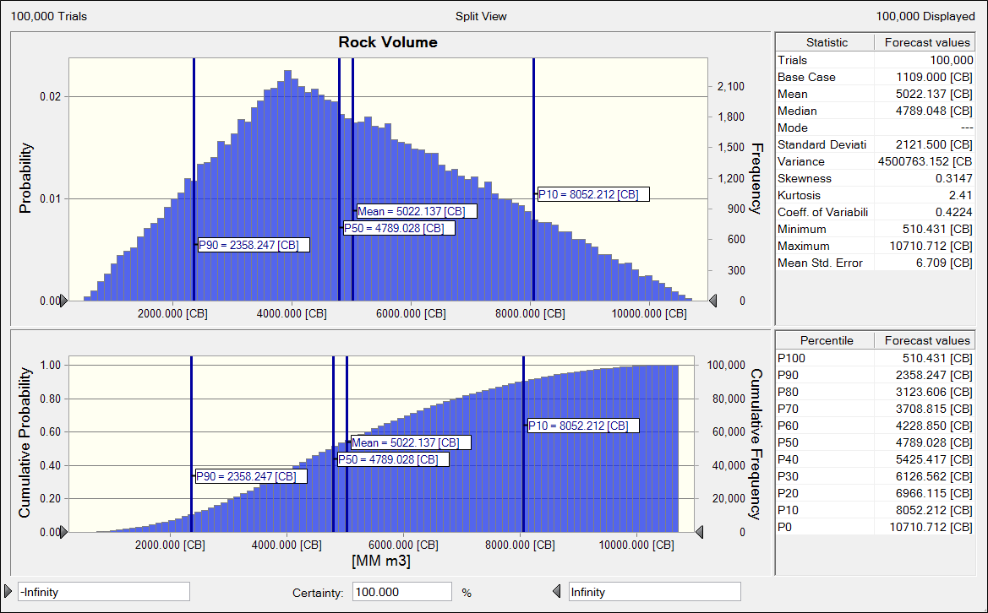
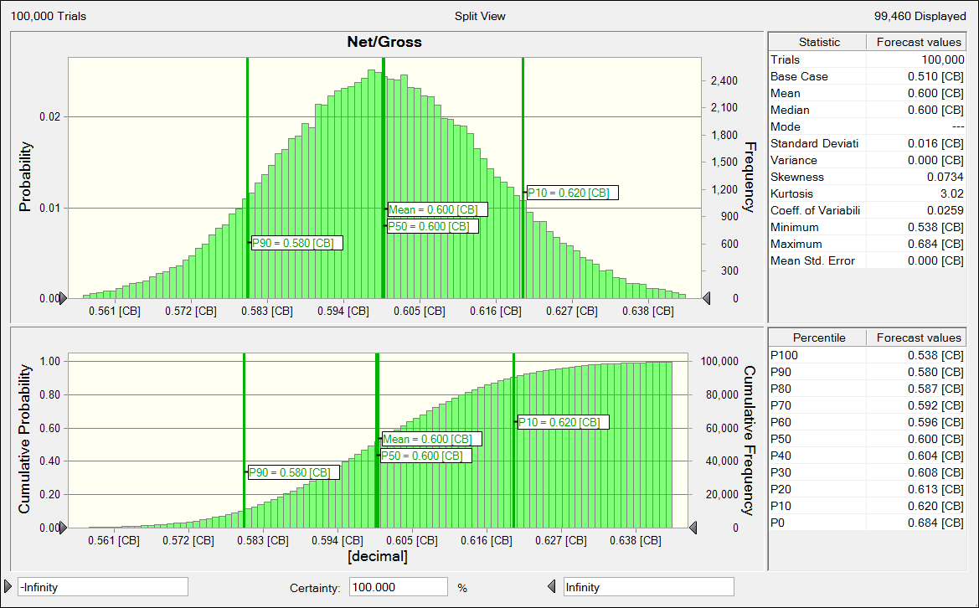
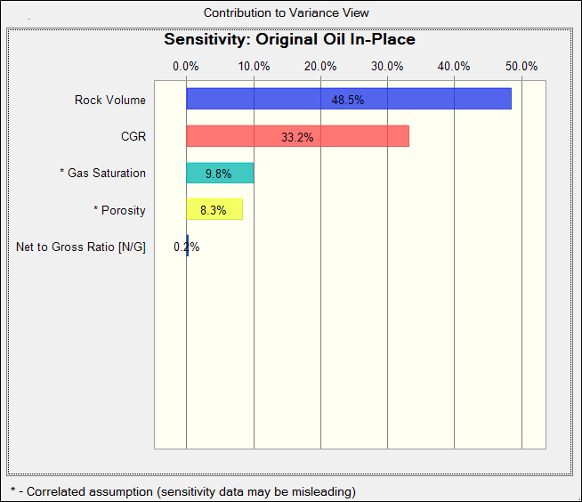
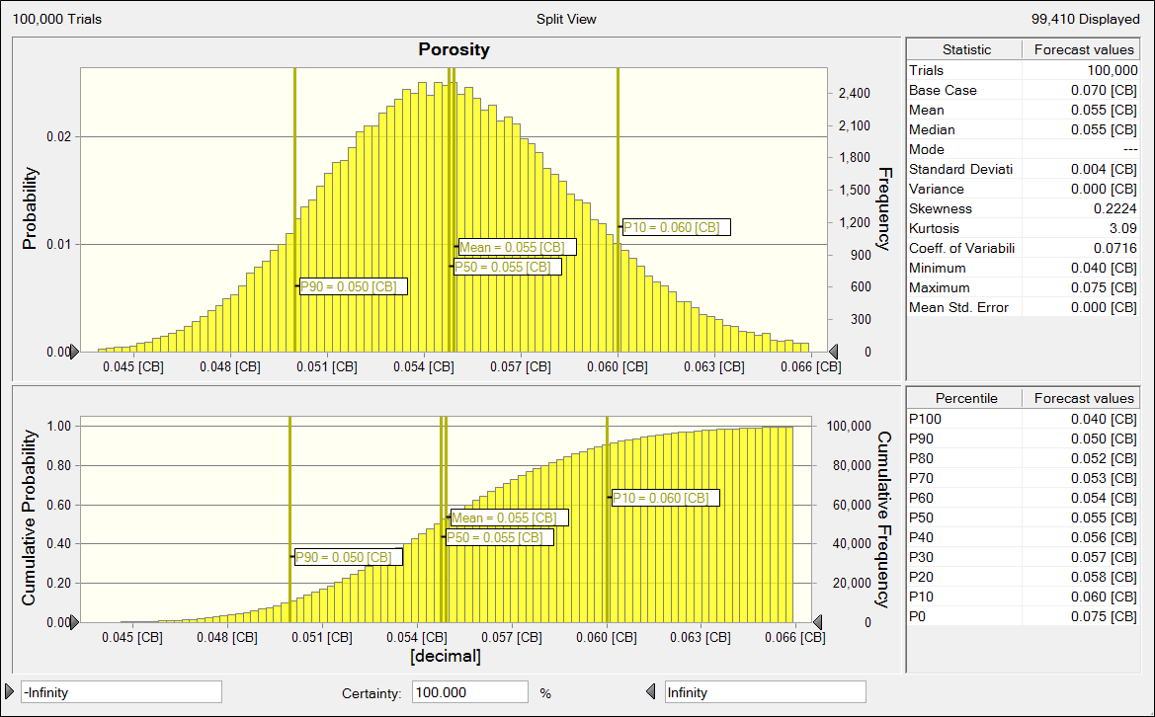
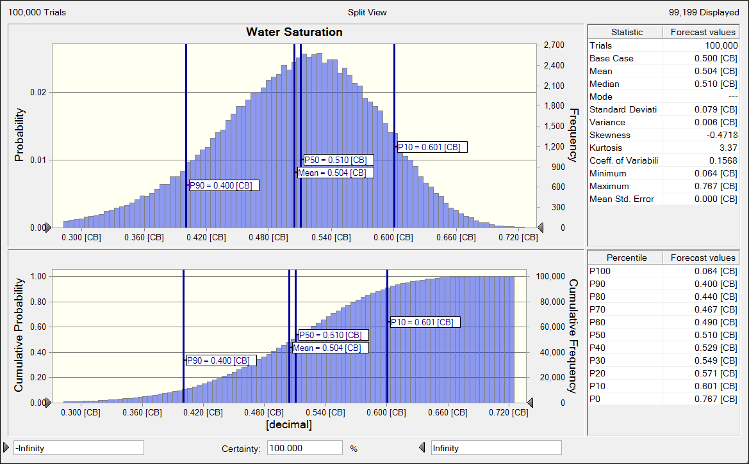
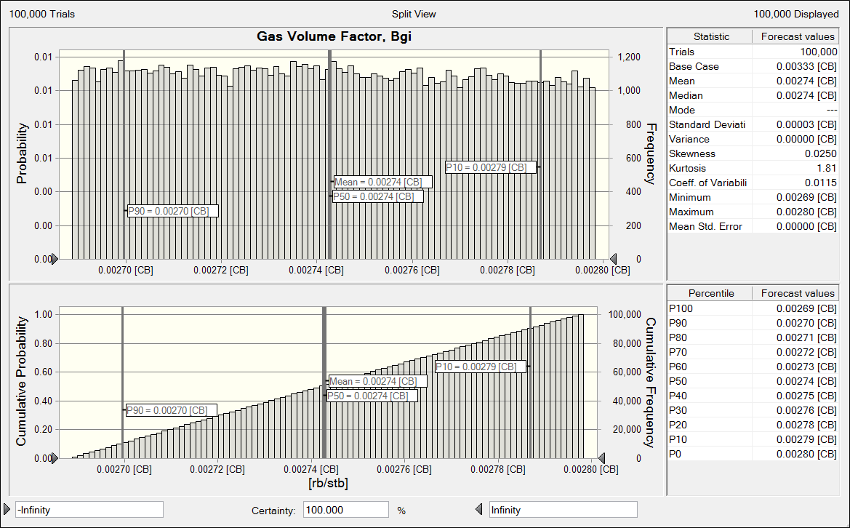
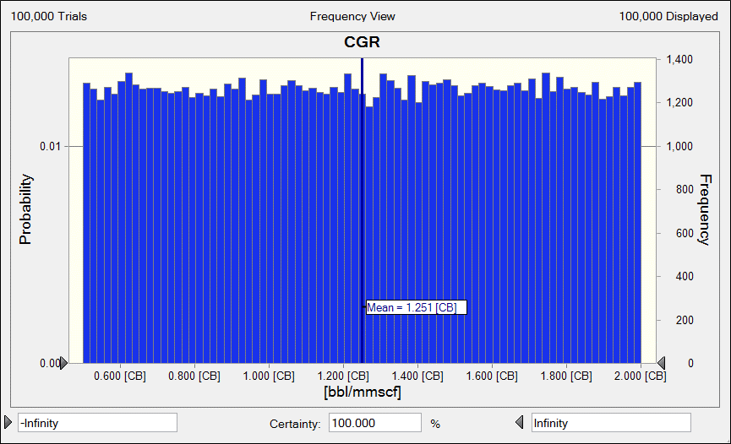
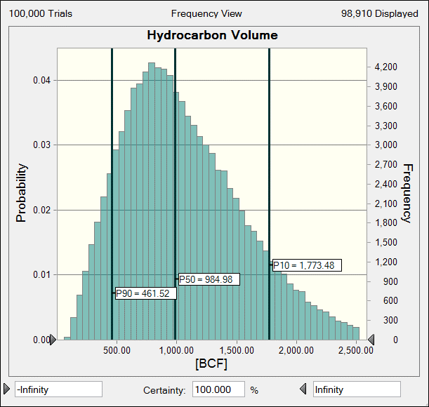
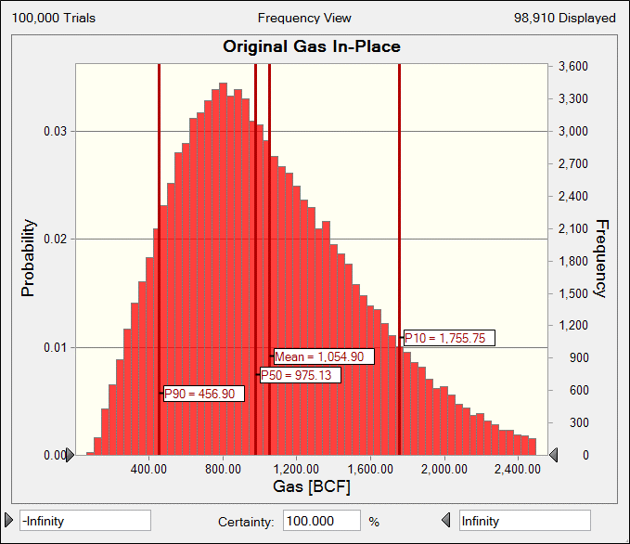
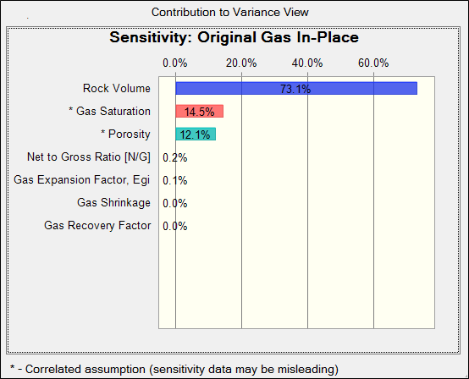

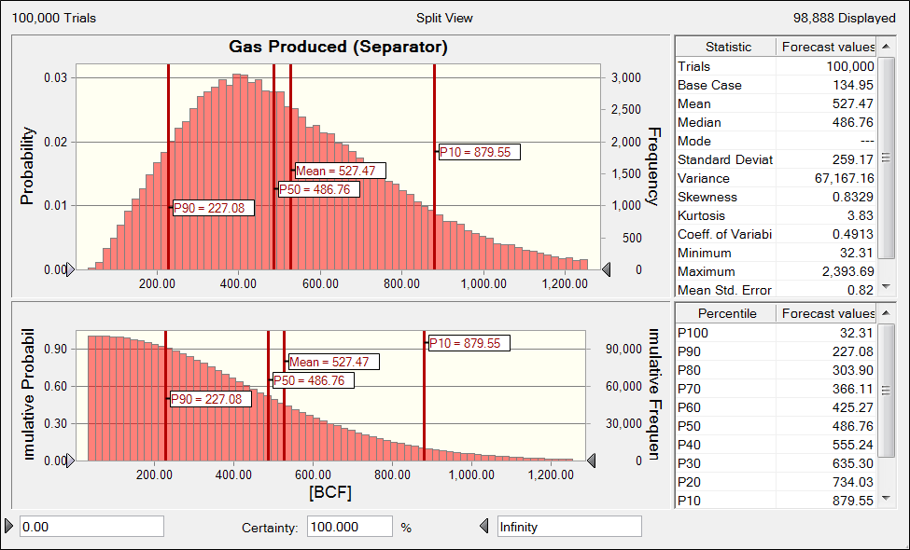
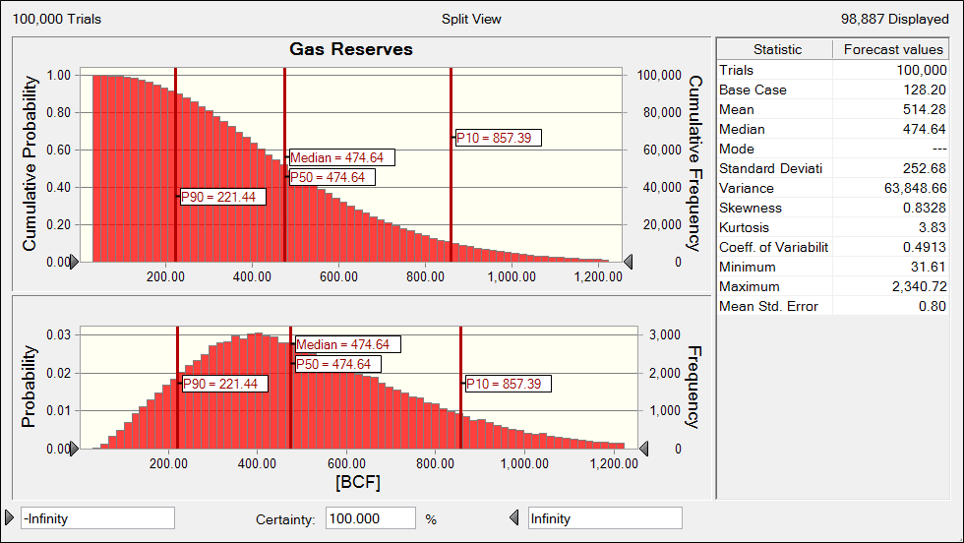


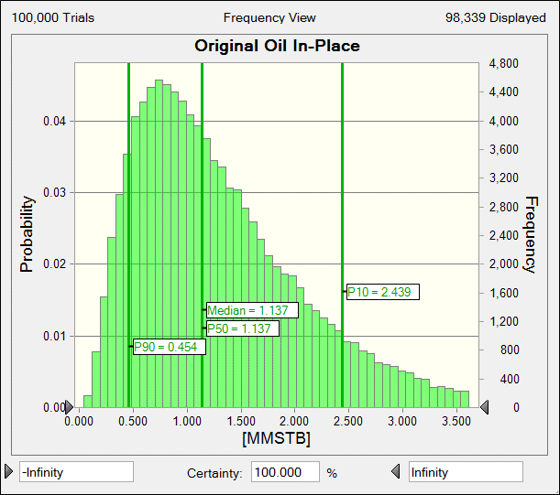
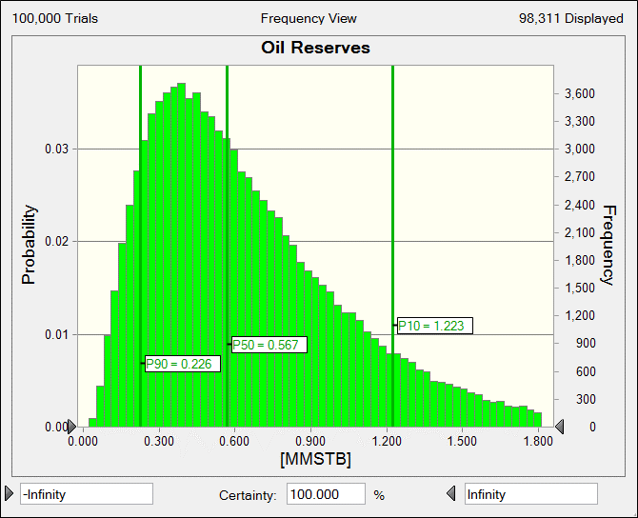
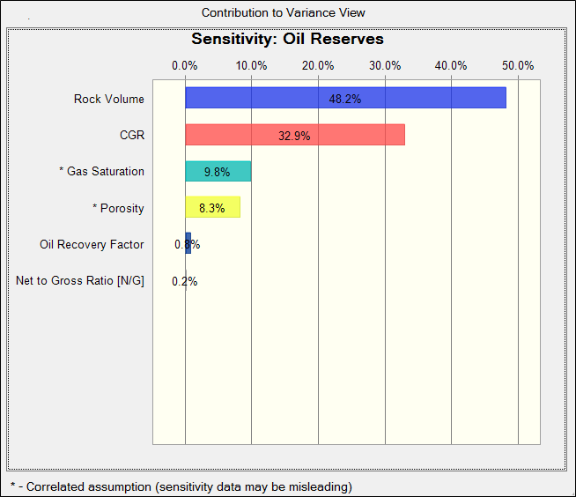
|Current Results|Sensitivity Charts|31. OGIP - CrystalBall (19-Junio-2019).xlsm|Sensitivity Chart 1
|Current Results|Sensitivity Charts|31. OGIP - CrystalBall (19-Junio-2019).xlsm|Sensitivity Chart 2
|Current Results|Sensitivity Charts|31. OGIP - CrystalBall (19-Junio-2019).xlsm|Sensitivity Chart 3
|Current Results|Sensitivity Charts|31. OGIP - CrystalBall (19-Junio-2019).xlsm|Sensitivity Chart 4
|Current Results|Sensitivity Charts|17. OGIP - CrystalBall - LOS MONOS - Icla (26-Junio-2017).xlsm|Sensitivity Chart 1
|Current Results|Sensitivity Charts|17. OGIP - CrystalBall - LOS MONOS - Icla (26-Junio-2017).xlsm|Sensitivity Chart 2

Fluid Properties
 | Factor-z
100 | 0.9937 | 8,323.4 | 0.7000
183.3 | 0.9887 | 8,323.4 | 1.1888
266.6 | 0.9838 | -- | 1.1888
349.9 | 0.9792
433.1 | 0.9748
516.4 | 0.9706
599.7 | 0.9666
683 | 0.9628
766.3 | 0.9593
849.6 | 0.9559
932.8 | 0.9528
1016.1 | 0.9499
1099.4 | 0.9472
1182.7 | 0.9447
1266 | 0.9424
1349.3 | 0.9404
1432.5 | 0.9385
1515.8 | 0.9369
1599.1 | 0.9355
1682.4 | 0.9343
1765.7 | 0.9333
1849 | 0.9325
1932.2 | 0.9319
2015.5 | 0.9314
2098.8 | 0.9312
2182.1 | 0.9312
2265.4 | 0.9313
2348.7 | 0.9316
2431.9 | 0.9321
2515.2 | 0.9327
2598.5 | 0.9336
2681.8 | 0.9345
2765.1 | 0.9357
2848.4 | 0.9369
2931.6 | 0.9384
3014.9 | 0.9399
3098.2 | 0.9416
3181.5 | 0.9435
3264.8 | 0.9454
3348.1 | 0.9475
3431.3 | 0.9497
3514.6 | 0.9520
3597.9 | 0.9544
3681.2 | 0.9570
3764.5 | 0.9596
3847.8 | 0.9623
3931 | 0.9652
4014.3 | 0.9681
4097.6 | 0.9711
4180.9 | 0.9742
...
 | Gas
100 | 0.0143
183.3 | 0.0144
266.6 | 0.0145
349.9 | 0.0145
433.1 | 0.0146
516.4 | 0.0147
599.7 | 0.0148
683 | 0.0149
766.3 | 0.0150
849.6 | 0.0151
932.8 | 0.0152
1016.1 | 0.0154
1099.4 | 0.0155
1182.7 | 0.0156
1266 | 0.0158
1349.3 | 0.0159
1432.5 | 0.0160
1515.8 | 0.0162
1599.1 | 0.0163
1682.4 | 0.0165
1765.7 | 0.0167
1849 | 0.0168
1932.2 | 0.0170
2015.5 | 0.0172
2098.8 | 0.0173
2182.1 | 0.0175
2265.4 | 0.0177
2348.7 | 0.0179
2431.9 | 0.0181
2515.2 | 0.0183
2598.5 | 0.0185
2681.8 | 0.0186
2765.1 | 0.0188
2848.4 | 0.0190
2931.6 | 0.0192
3014.9 | 0.0194
3098.2 | 0.0197
3181.5 | 0.0199
3264.8 | 0.0201
3348.1 | 0.0203
3431.3 | 0.0205
3514.6 | 0.0207
3597.9 | 0.0209
3681.2 | 0.0211
3764.5 | 0.0214
3847.8 | 0.0216
3931 | 0.0218
4014.3 | 0.0220
4097.6 | 0.0223
4180.9 | 0.0225
...

 |  | A |  | B | C | D | E
Component | Formula | Compositión | Composition | MW | Tc | Pc |  | A x B | A x C | A x D | A x E
 |  | decimal | % |  | [ºF] | [psi] | w |  | [ºF] | [psi]
CARBON DIOXIDE | CO2 | 0.016 | 1.60 | 44.0 | 87.9 | 1071 | 0.2276 | 0.704 | 1.406 | 17.136 | 0.00364
HYDROGEN SULFIDE | H2S | -- | 0.00 | 34.1 | 212.5 | 1300 | 0.0827 | 0.000 | 0.000 | 0.000 | 0.00000
NITROGEN | N2 | 0.013 | 1.30 | 28.0 | -232.5 | 493.1 | 0.0403 | 0.364 | -3.023 | 6.410 | 0.00052
METHANE | CH4 | 0.924 | 92.40 | 16.0 | -116.7 | 666.4 | 0.0108 | 14.784 | -107.831 | 615.754 | 0.00998
ETHANE | C2H6 | 0.035 | 3.50 | 30.1 | 89.9 | 706.5 | 0.099 | 1.052 | 3.147 | 24.728 | 0.00347
PROPANE | C3H8 | 0.003 | 0.30 | 44.1 | 206.1 | 616 | 0.1517 | 0.132 | 0.618 | 1.848 | 0.00046
N-BUTANE | C4H10 | 0.002 | 0.20 | 58.1 | 305.6 | 550.6 | 0.1931 | 0.116 | 0.611 | 1.101 | 0.00039
ISOBUTANE | C4H10 | 0.001 | 0.10 | 58.1 | 274.5 | 527.9 | 0.177 | 0.058 | 0.275 | 0.528 | 0.00018
N-PENTANE | C5H12 | 0.001 | 0.10 | 72.2 | 385.8 | 488.6 | 0.2486 | 0.072 | 0.386 | 0.489 | 0.00025
ISOPENTANE | C5H12 | -- | 0.00 | 72.2 | 369.1 | 490.4 | 0.2275 | 0.000 | 0.000 | 0.000 | 0.00000
 | Bg
100 | 0.1968 | 8,323.4 | Bg: 0.001000, cf/scf
183.3 | 0.1068 | 8,323.4 | Bg: 0.002798, cf/scf
266.6 | 0.0731 | -- | Bg: 0.002798, cf/scf
349.9 | 0.0554
433.1 | 0.0446
516.4 | 0.0372
599.7 | 0.0319
683 | 0.0279
766.3 | 0.0248
849.6 | 0.0223
932.8 | 0.0202
1016.1 | 0.0185
1099.4 | 0.0171
1182.7 | 0.0158
1266 | 0.0147
1349.3 | 0.0138
1432.5 | 0.0130
1515.8 | 0.0122
1599.1 | 0.0116
1682.4 | 0.0110
1765.7 | 0.0105
1849 | 0.0100
1932.2 | 0.0096
2015.5 | 0.0092
2098.8 | 0.0088
2182.1 | 0.0085
2265.4 | 0.0081
2348.7 | 0.0079
2431.9 | 0.0076
2515.2 | 0.0073
2598.5 | 0.0071
2681.8 | 0.0069
2765.1 | 0.0067
2848.4 | 0.0065
2931.6 | 0.0063
3014.9 | 0.0062
3098.2 | 0.0060
3181.5 | 0.0059
3264.8 | 0.0057
3348.1 | 0.0056
3431.3 | 0.0055
3514.6 | 0.0054
3597.9 | 0.0053
3681.2 | 0.0051
3764.5 | 0.0050
3847.8 | 0.0050
3931 | 0.0049
4014.3 | 0.0048
4097.6 | 0.0047
4180.9 | 0.0046
...
 | Gas
100 | 0.2380
183.3 | 0.4385
266.6 | 0.6409
349.9 | 0.8451
433.1 | 1.0510
516.4 | 1.2585
599.7 | 1.4675
683 | 1.6779
766.3 | 1.8895
849.6 | 2.1022
932.8 | 2.3158
1016.1 | 2.5303
1099.4 | 2.7455
1182.7 | 2.9612
1266 | 3.1774
1349.3 | 3.3938
1432.5 | 3.6103
1515.8 | 3.8268
1599.1 | 4.0432
1682.4 | 4.2593
1765.7 | 4.4750
1849 | 4.6901
1932.2 | 4.9046
2015.5 | 5.1183
2098.8 | 5.3311
2182.1 | 5.5430
2265.4 | 5.7537
2348.7 | 5.9632
2431.9 | 6.1715
2515.2 | 6.3784
2598.5 | 6.5838
2681.8 | 6.7877
2765.1 | 6.9901
2848.4 | 7.1908
2931.6 | 7.3898
3014.9 | 7.5871
3098.2 | 7.7826
3181.5 | 7.9763
3264.8 | 8.1682
3348.1 | 8.3581
3431.3 | 8.5462
3514.6 | 8.7323
3597.9 | 8.9165
3681.2 | 9.0988
3764.5 | 9.2791
3847.8 | 9.4574
3931 | 9.6337
4014.3 | 9.8081
4097.6 | 9.9806
4180.9 | 10.1511
...
N-HEXANE | C6H14 | 0.001 | 0.10 | 86.2 | 453.6 | 436.9 | 0.3047 | 0.086 | 0.454 | 0.437 | 0.00030
N-HEPTANE | C7H16 | 0.004 | 0.40 | 100.2 | 512.7 | 396.8 | 0.3494 | 0.401 | 2.051 | 1.587 | 0.00140
N-OCTANE | C8H18 |  | 0.00 | 114.2 | 564.2 | 360.7 | 0.3962 | 0.000 | 0.000 | 0.000 | 0.00000
N-NONANE | C9H20 |  | 0.00 | 128.3 | 610.7 | 331.8 | 0.4368 | 0.000 | 0.000 | 0.000 | 0.00000
N-DECANE | C10H22 |  | 0.00 | 142.3 | 652 | 305.2 | 0.4842 | 0.000 | 0.000 | 0.000 | 0.00000
 |  | 1.000 | 100.00 % |  |  |  |  | MW: 17.77 | -101.91 | 670.02 | 0.02058
 |  |  |  |  |  |  |  | SG: 0.613
Wichert & Aziz Correlation Adjustment for Nonhydrocarbon
A | 0.016
B | --
e | 2.743 |  |  |  |  |  | Max. Press.: | 8,328.35 | psia | Pore Pressure
 |  |  |  |  |  |  | Max. Press.: | 11,676.40 | psia | PVT Data Table
Gas Pseudo properties
Tpc | 358.1 | ºR
Ppc | 670.0 | psi
 |  |  |  |  |  |  |  | Temp. | 240.1 | [ºF]
Adjusted Gas Pseudo properties
T'pc | 355.4 | ºR |  |  |  |  |  |  | Gas |  | Gas
P'pc | 664.9 | psi |  |  |  |  | Pressure | Factor-z | Density | Bg | Viscosity
 |  |  |  |  |  |  | [psi] |  | [cf/lb] | [cf/scf] | [cp]
Pressure | 9,102.63 | psi |  |  |  |  | 100 | 0.9937 | 0.2380 | 0.1968 | 0.0143
Temperature | 700.06 | ºR | 240.06 | ºF |  |  | 183.3 | 0.9887 | 0.4385 | 0.1068 | 0.0144 | Pressure | Bg
 |  |  |  |  |  |  | 266.6 | 0.9838 | 0.6409 | 0.0731 | 0.0145 | 8,323.4 | Bg: 0.001000, cf/scf
Ppr, psi | 13.691 | 17.561526742 |  |  |  |  | 349.9 | 0.9792 | 0.8451 | 0.0554 | 0.0145 | 8,323.4 | Bg: 0.002798, cf/scf
Tpr, ºF | 1.970 | 1.9700496971 |  |  |  |  | 433.1 | 0.9748 | 1.0510 | 0.0446 | 0.0146 | -- | Bg: 0.002798, cf/scf
 |  |  |  |  |  |  | 516.4 | 0.9706 | 1.2585 | 0.0372 | 0.0147
w | 0.0206 |  |  |  |  |  | 599.7 | 0.9666 | 1.4675 | 0.0319 | 0.0148
 |  |  |  |  |  |  | 683 | 0.9628 | 1.6779 | 0.0279 | 0.0149 | Pressure | Factor-z
k | 0.4063 |  |  |  |  |  | 766.3 | 0.9593 | 1.8895 | 0.0248 | 0.0150 | 8,323.4 | 0.7000
 |  |  |  |  |  |  | 849.6 | 0.9559 | 2.1022 | 0.0223 | 0.0151 | 8,323.4 | 1.1888
a | 0.6990 |  |  |  |  |  | 932.8 | 0.9528 | 2.3158 | 0.0202 | 0.0152 | -- | 1.1888
 |  |  |  |  |  |  | 1016.1 | 0.9499 | 2.5303 | 0.0185 | 0.0154
R, ft3 * psi /°R * lb-mol | 10.73159 |  |  |  |  |  | 1099.4 | 0.9472 | 2.7455 | 0.0171 | 0.0155
 |  |  |  |  |  |  | 1182.7 | 0.9447 | 2.9612 | 0.0158 | 0.0156
a | 10000.8 |  |  |  |  |  | 1266 | 0.9424 | 3.1774 | 0.0147 | 0.0158
 |  |  |  |  |  |  | 1349.3 | 0.9404 | 3.3938 | 0.0138 | 0.0159
 |  |  |  |  |  |  | 1432.5 | 0.9385 | 3.6103 | 0.0130 | 0.0160
b | 0.446 |  |  |  |  |  | 1515.8 | 0.9369 | 3.8268 | 0.0122 | 0.0162
 |  |  |  |  |  |  | 1599.1 | 0.9355 | 4.0432 | 0.0116 | 0.0163
 |  |  |  |  |  |  | 1682.4 | 0.9343 | 4.2593 | 0.0110 | 0.0165
A | 1.127 |  |  |  |  |  | 1765.7 | 0.9333 | 4.4750 | 0.0105 | 0.0167
 |  |  |  |  |  |  | 1849 | 0.9325 | 4.6901 | 0.0100 | 0.0168
 |  |  |  |  |  |  | 1932.2 | 0.9319 | 4.9046 | 0.0096 | 0.0170
B | 0.541 |  |  |  |  |  | 2015.5 | 0.9314 | 5.1183 | 0.0092 | 0.0172
 |  |  |  |  |  |  | 2098.8 | 0.9312 | 5.3311 | 0.0088 | 0.0173
 |  |  |  |  |  |  | 2182.1 | 0.9312 | 5.5430 | 0.0085 | 0.0175
Coefficientes |  |  |  |  |  |  | 2265.4 | 0.9313 | 5.7537 | 0.0081 | 0.0177
x | -0.45937 |  |  |  |  |  | 2348.7 | 0.9316 | 5.9632 | 0.0079 | 0.0179
y | -0.83076 |  |  |  |  |  | 2431.9 | 0.9321 | 6.1715 | 0.0076 | 0.0181
g | -0.15918 |  |  |  |  |  | 2515.2 | 0.9327 | 6.3784 | 0.0073 | 0.0183
 |  |  |  |  |  |  | 2598.5 | 0.9336 | 6.5838 | 0.0071 | 0.0185
 |  |  |  |  |  |  | 2681.8 | 0.9345 | 6.7877 | 0.0069 | 0.0186
Real Roots |  |  |  |  |  |  | 2765.1 | 0.9357 | 6.9901 | 0.0067 | 0.0188
x
y
g
Z [1] | 1.39511 |  |  |  |  |  | 2848.4 | 0.9369 | 7.1908 | 0.0065 | 0.0190
Z [2] | 1.39511 |  |  |  |  |  | 2931.6 | 0.9384 | 7.3898 | 0.0063 | 0.0192
Z [3] | 1.39511 |  |  |  |  |  | 3014.9 | 0.9399 | 7.5871 | 0.0062 | 0.0194
 |  |  |  |  |  |  | 3098.2 | 0.9416 | 7.7826 | 0.0060 | 0.0197
Pressure | 9102.6 | psi |  |  |  |  | 3181.5 | 0.9435 | 7.9763 | 0.0059 | 0.0199
Temperature | 700.1 | ºR |  |  |  |  | 3264.8 | 0.9454 | 8.1682 | 0.0057 | 0.0201
R | 10.73159 |  |  |  |  |  | 3348.1 | 0.9475 | 8.3581 | 0.0056 | 0.0203
Factor-z | 1.39511 |  |  |  |  |  | 3431.3 | 0.9497 | 8.5462 | 0.0055 | 0.0205
Volume | 1.2 | cf |  |  |  |  | 3514.6 | 0.9520 | 8.7323 | 0.0054 | 0.0207
MW | 17.77 |  |  |  |  |  | 3597.9 | 0.9544 | 8.9165 | 0.0053 | 0.0209
Gas Density | 15.43309 | cf/lb |  |  |  |  | 3681.2 | 0.9570 | 9.0988 | 0.0051 | 0.0211
$$Bg=\frac{0.00504 ×factor−z×Temp }{Pressure}$$
 |  |  |  |  |  |  | 3764.5 | 0.9596 | 9.2791 | 0.0050 | 0.0214
Bg | 0.000541 | bbl/scf |  |  |  |  | 3847.8 | 0.9623 | 9.4574 | 0.0050 | 0.0216
Bg | 0.003035 | cf/scf |  |  |  |  | 3931 | 0.9652 | 9.6337 | 0.0049 | 0.0218
Gas Viscosity |  | [cp] |  |  |  |  | 4014.3 | 0.9681 | 9.8081 | 0.0048 | 0.0220
 |  |  |  |  |  |  | 4097.6 | 0.9711 | 9.9806 | 0.0047 | 0.0223
 |  |  |  |  |  |  | 4180.9 | 0.9742 | 10.1511 | 0.0046 | 0.0225
 |  |  |  |  |  |  | 4264.2 | 0.9774 | 10.3196 | 0.0045 | 0.0227
 |  |  |  |  |  |  | 4347.5 | 0.9806 | 10.4862 | 0.0045 | 0.0229
 |  |  |  |  |  |  | 4430.7 | 0.9840 | 10.6509 | 0.0044 | 0.0232
 |  |  |  |  |  |  | 4514 | 0.9874 | 10.8136 | 0.0043 | 0.0234
 |  |  |  |  |  |  | 4597.3 | 0.9909 | 10.9745 | 0.0043 | 0.0236
 |  |  |  |  |  |  | 4680.6 | 0.9944 | 11.1335 | 0.0042 | 0.0238
 |  |  |  |  |  |  | 4763.9 | 0.9980 | 11.2906 | 0.0041 | 0.0241
 |  |  |  |  |  |  | 4847.2 | 1.0017 | 11.4459 | 0.0041 | 0.0243
 |  |  |  |  |  |  | 4930.4 | 1.0054 | 11.5993 | 0.0040 | 0.0245
 |  |  |  |  |  |  | 5013.7 | 1.0092 | 11.7509 | 0.0040 | 0.0248
 |  |  |  |  |  |  | 5097 | 1.0131 | 11.9008 | 0.0039 | 0.0250
 |  |  |  |  |  |  | 5180.3 | 1.0170 | 12.0488 | 0.0039 | 0.0252
 |  |  |  |  |  |  | 5263.6 | 1.0209 | 12.1952 | 0.0038 | 0.0255
 |  |  |  |  |  |  | 5346.9 | 1.0249 | 12.3398 | 0.0038 | 0.0257
 |  |  |  |  |  |  | 5430.1 | 1.0290 | 12.4827 | 0.0038 | 0.0259
 |  |  |  |  |  |  | 5513.4 | 1.0331 | 12.6239 | 0.0037 | 0.0262
 |  |  |  |  |  |  | 5596.7 | 1.0372 | 12.7635 | 0.0037 | 0.0264
 |  |  |  |  |  |  | 5680 | 1.0414 | 12.9014 | 0.0036 | 0.0266
 |  |  |  |  |  |  | 5763.3 | 1.0456 | 13.0377 | 0.0036 | 0.0269
 |  |  |  |  |  |  | 5846.6 | 1.0499 | 13.1724 | 0.0036 | 0.0271
 |  |  |  |  |  |  | 5929.8 | 1.0542 | 13.3056 | 0.0035 | 0.0273
 |  |  |  |  |  |  | 6013.1 | 1.0585 | 13.4372 | 0.0035 | 0.0276
 |  |  |  |  |  |  | 6096.4 | 1.0629 | 13.5673 | 0.0035 | 0.0278
 |  |  |  |  |  |  | 6179.7 | 1.0673 | 13.6959 | 0.0034 | 0.0280
 |  |  |  |  |  |  | 6263 | 1.0717 | 13.8231 | 0.0034 | 0.0283
 |  |  |  |  |  |  | 6346.3 | 1.0762 | 13.9488 | 0.0034 | 0.0285
 |  |  |  |  |  |  | 6429.5 | 1.0807 | 14.0730 | 0.0033 | 0.0287
 |  |  |  |  |  |  | 6512.8 | 1.0852 | 14.1959 | 0.0033 | 0.0290
 |  |  |  |  |  |  | 6596.1 | 1.0897 | 14.3173 | 0.0033 | 0.0292
 |  |  |  |  |  |  | 6679.4 | 1.0943 | 14.4374 | 0.0032 | 0.0294
 |  |  |  |  |  |  | 6762.7 | 1.0989 | 14.5562 | 0.0032 | 0.0297
 |  |  |  |  |  |  | 6846 | 1.1036 | 14.6736 | 0.0032 | 0.0299
 |  |  |  |  |  |  | 6929.2 | 1.1082 | 14.7897 | 0.0032 | 0.0301
 |  |  |  |  |  |  | 7012.5 | 1.1129 | 14.9046 | 0.0031 | 0.0304
 |  |  |  |  |  |  | 7095.8 | 1.1176 | 15.0182 | 0.0031 | 0.0306
 |  |  |  |  |  |  | 7179.1 | 1.1223 | 15.1305 | 0.0031 | 0.0308
 |  |  |  |  |  |  | 7262.4 | 1.1270 | 15.2416 | 0.0031 | 0.0311
 |  |  |  |  |  |  | 7345.7 | 1.1318 | 15.3516 | 0.0031 | 0.0313
 |  |  |  |  |  |  | 7428.9 | 1.1366 | 15.4603 | 0.0030 | 0.0315
 |  |  |  |  |  |  | 7512.2 | 1.1414 | 15.5679 | 0.0030 | 0.0318
 |  |  |  |  |  |  | 7595.5 | 1.1462 | 15.6743 | 0.0030 | 0.0320
 |  |  |  |  |  |  | 7678.8 | 1.1510 | 15.7797 | 0.0030 | 0.0322
 |  |  |  |  |  |  | 7762.1 | 1.1559 | 15.8839 | 0.0029 | 0.0324
 |  |  |  |  |  |  | 7845.4 | 1.1608 | 15.9870 | 0.0029 | 0.0327
 |  |  |  |  |  |  | 7928.6 | 1.1656 | 16.0890 | 0.0029 | 0.0329
 |  |  |  |  |  |  | 8011.9 | 1.1705 | 16.1900 | 0.0029 | 0.0331
 |  |  |  |  |  |  | 8095.2 | 1.1754 | 16.2899 | 0.0029 | 0.0334
 |  |  |  |  |  |  | 8178.5 | 1.1804 | 16.3889 | 0.0029 | 0.0336
 |  |  |  |  |  |  | 8261.8 | 1.1853 | 16.4868 | 0.0028 | 0.0338
 |  |  |  |  |  |  | 8345.1 | 1.1903 | 16.5837 | 0.0028 | 0.0341
 |  |  |  |  |  |  | 8428.3 | 1.1952 | 16.6796 | 0.0028 | 0.0343
 |  |  |  |  |  |  | 8511.6 | 1.2002 | 16.7746 | 0.0028 | 0.0345
 |  |  |  |  |  |  | 8594.9 | 1.2052 | 16.8686 | 0.0028 | 0.0347
 |  |  |  |  |  |  | 8678.2 | 1.2102 | 16.9617 | 0.0028 | 0.0350
 |  |  |  |  |  |  | 8761.5 | 1.2152 | 17.0539 | 0.0027 | 0.0352
 |  |  |  |  |  |  | 8844.8 | 1.2202 | 17.1452 | 0.0027 | 0.0354
 |  |  |  |  |  |  | 8928 | 1.2252 | 17.2356 | 0.0027 | 0.0356
 |  |  |  |  |  |  | 9011.3 | 1.2303 | 17.3251 | 0.0027 | 0.0359
 |  |  |  |  |  |  | 9094.6 | 1.2353 | 17.4138 | 0.0027 | 0.0361
 |  |  |  |  |  |  | 9177.9 | 1.2404 | 17.5016 | 0.0027 | 0.0363
 |  |  |  |  |  |  | 9261.2 | 1.2455 | 17.5886 | 0.0027 | 0.0365
 |  |  |  |  |  |  | 9344.5 | 1.2505 | 17.6747 | 0.0027 | 0.0368
 |  |  |  |  |  |  | 9427.8 | 1.2556 | 17.7600 | 0.0026 | 0.0370
 |  |  |  |  |  |  | 9511 | 1.2607 | 17.8446 | 0.0026 | 0.0372
 |  |  |  |  |  |  | 9594.3 | 1.2658 | 17.9283 | 0.0026 | 0.0374
 |  |  |  |  |  |  | 9677.6 | 1.2709 | 18.0113 | 0.0026 | 0.0377
 |  |  |  |  |  |  | 9760.9 | 1.2760 | 18.0935 | 0.0026 | 0.0379
 |  |  |  |  |  |  | 9844.2 | 1.2812 | 18.1750 | 0.0026 | 0.0381
 |  |  |  |  |  |  | 9927.5 | 1.2863 | 18.2557 | 0.0026 | 0.0383
 |  |  |  |  |  |  | 10010.7 | 1.2914 | 18.3357 | 0.0026 | 0.0385
 |  |  |  |  |  |  | 10094 | 1.2965 | 18.4149 | 0.0025 | 0.0388
 |  |  |  |  |  |  | 10177.3 | 1.3017 | 18.4935 | 0.0025 | 0.0390
 |  |  |  |  |  |  | 10260.6 | 1.3068 | 18.5713 | 0.0025 | 0.0392
 |  |  |  |  |  |  | 10343.9 | 1.3120 | 18.6485 | 0.0025 | 0.0394
 |  |  |  |  |  |  | 10427.2 | 1.3172 | 18.7250 | 0.0025 | 0.0396
 |  |  |  |  |  |  | 10510.4 | 1.3223 | 18.8008 | 0.0025 | 0.0398
 |  |  |  |  |  |  | 10593.7 | 1.3275 | 18.8759 | 0.0025 | 0.0401
 |  |  |  |  |  |  | 10677 | 1.3327 | 18.9504 | 0.0025 | 0.0403
 |  |  |  |  |  |  | 10760.3 | 1.3379 | 19.0243 | 0.0025 | 0.0405
 |  |  |  |  |  |  | 10843.6 | 1.3430 | 19.0975 | 0.0025 | 0.0407
 |  |  |  |  |  |  | 10926.9 | 1.3482 | 19.1701 | 0.0024 | 0.0409
 |  |  |  |  |  |  | 11010.1 | 1.3534 | 19.2421 | 0.0024 | 0.0411
 |  |  |  |  |  |  | 11093.4 | 1.3586 | 19.3135 | 0.0024 | 0.0414
 |  |  |  |  |  |  | 11176.7 | 1.3638 | 19.3842 | 0.0024 | 0.0416
 |  |  |  |  |  |  | 11260 | 1.3690 | 19.4544 | 0.0024 | 0.0418
 |  |  |  |  |  |  | 11343.3 | 1.3742 | 19.5240 | 0.0024 | 0.0420
 |  |  |  |  |  |  | 11426.6 | 1.3795 | 19.5931 | 0.0024 | 0.0422
 |  |  |  |  |  |  | 11509.8 | 1.3847 | 19.6615 | 0.0024 | 0.0424
 |  |  |  |  |  |  | 11593.1 | 1.3899 | 19.7294 | 0.0024 | 0.0426
 |  |  |  |  |  |  | 11676.4 | 1.3951 | 19.7968 | 0.0024 | 0.0428

Pore Pressure
 | 0.455 psi/ft (Water) |  | Overburden |  | 9 ppg (0.468 psi/ft) |  | 10 ppg (0.52 psi/ft) |  | 11 ppg (0.572 psi/ft) |  | 12 ppg (0.624 psi/ft) |  | 13 ppg (0.676 psi/ft) |  | 14 ppg (0.728 psi/ft) |  | HMP, 4500 m. |  | Top: 8318.5 psi @ 4500 m. |  | GWC: 8328.3 psi @ 4525 m. |  | Secondary Axis
-- | -- | -- | -- | -- | -- | -- | -- | -- | -- | -- | -- | -- | -- | -- | -- | 20 | 4500 | 20 | 4500 | 20 | 4525 | 1 | 1
1492.8 | 1000.0 | 3,280.8 | 1000.0 | 1535.4 | 1000.0 | 1706.0 | 1000.0 | 1876.6 | 1000.0 | 2047.2 | 1000.0 | 2217.8 | 1000.0 | 2388.5 | 1000.0 | 10000 | 4500 | 8318.5057743 | 4500 | 8328.348294 | 4525
2985.6 | 2000.0 | 6,561.7 | 2000.0 | 3070.9 | 2000.0 | 3412.1 | 2000.0 | 3753.3 | 2000.0 | 4094.5 | 2000.0 | 4435.7 | 2000.0 | 4776.9 | 2000.0
4478.3 | 3000.0 | 9,842.5 | 3000.0 | 4606.3 | 3000.0 | 5118.1 | 3000.0 | 5629.9 | 3000.0 | 6141.7 | 3000.0 | 6653.5 | 3000.0 | 7165.4 | 3000.0
5971.1 | 4000.0 | 13,123.4 | 4000.0 | 6141.7 | 4000.0 | 6824.1 | 4000.0 | 7506.6 | 4000.0 | 8189.0 | 4000.0 | 8871.4 | 4000.0 | 9553.8 | 4000.0
7463.9 | 5000.0 | 16,404.2 | 5000.0 | 7677.2 | 5000.0 | 8530.2 | 5000.0 | 9383.2 | 5000.0 | 10236.2 | 5000.0 | 11089.2 | 5000.0 | 11942.3 | 5000.0
8956.7 | 6000.0 | 19,685.0 | 6000.0 | 9212.6 | 6000.0 | 10236.2 | 6000.0 | 11259.8 | 6000.0 | 12283.5 | 6000.0 | 13307.1 | 6000.0 | 14330.7 | 6000.0
10449.5 | 7000.0 | 22,965.9 | 7000.0 | 10748.0 | 7000.0 | 11942.3 | 7000.0 | 13136.5 | 7000.0 | 14330.7 | 7000.0 | 15524.9 | 7000.0 | 16719.2 | 7000.0
11942.3 | 8000.0 | 26,246.7 | 8000.0 | 12283.5 | 8000.0 | 13648.3 | 8000.0 | 15013.1 | 8000.0 | 16378.0 | 8000.0 | 17742.8 | 8000.0 | 19107.6 | 8000.0
13435.0 | 9000.0 | 29,527.6 | 9000.0 | 13818.9 | 9000.0 | 15354.3 | 9000.0 | 16889.8 | 9000.0 | 18425.2 | 9000.0 | 19960.6 | 9000.0 | 21496.1 | 9000.0
Depth Top | : | 4,500.0 | m | 14,763.8 | ft |  | Water |  |  | Overburden | 9.00 ppg | 10.00 ppg | 11.00 ppg | 12.00 ppg | 13.00 ppg | 14.00 ppg
GWC depth, Max. | : | 5,000.0 | m | 16,404.2 | ft |  | 0.455 | Depth | Depth | 1.000 psi/ft | 0.468 psi/ft | 0.520 psi/ft | 0.572 psi/ft | 0.624 psi/ft | 0.676 psi/ft | 0.728 psi/ft
GWC depth, Min. | : | 4,525.0 | m | 14,845.8 | ft |  | psi | ft | m | Pressure, psi
Pore pressure gradient | : | 0.560 | psi/ft |  |  |  | -- | -- | -- | -- | -- | -- | -- | -- | -- | --
Gas press. gradient (reservoir) | : | 0.120 | psi/ft |  |  |  | 1492.8 | 3280.8 | 1000.0 | 3,280.8 | 1535.4 | 1706.0 | 1876.6 | 2047.2 | 2217.8 | 2388.5
 |  |  |  |  |  |  | 2985.6 | 6561.7 | 2000.0 | 6,561.7 | 3070.9 | 3412.1 | 3753.3 | 4094.5 | 4435.7 | 4776.9
Variable |  | Min | Max | unit |  |  | 4478.3 | 9842.5 | 3000.0 | 9,842.5 | 4606.3 | 5118.1 | 5629.9 | 6141.7 | 6653.5 | 7165.4
GWC depth | : | 4,525.0 | 5,000.0 | m |  |  | 5971.1 | 13123.4 | 4000.0 | 13,123.4 | 6141.7 | 6824.1 | 7506.6 | 8189.0 | 8871.4 | 9553.8
Pressure @ GWC | : | 8,328.3 | 9,201.1 | psi |  |  | 7463.9 | 16404.2 | 5000.0 | 16,404.2 | 7677.2 | 8530.2 | 9383.2 | 10236.2 | 11089.2 | 11942.3
Pressure @ Top | : | 8,318.5 | 9,004.2 | psi |  |  | 8956.7 | 19685.0 | 6000.0 | 19,685.0 | 9212.6 | 10236.2 | 11259.8 | 12283.5 | 13307.1 | 14330.7
Average Pressure | : | 8,323.4 | 9,102.6 | psi |  |  | 10449.5 | 22965.9 | 7000.0 | 22,965.9 | 10748.0 | 11942.3 | 13136.5 | 14330.7 | 15524.9 | 16719.2
Gas Volume Factor, Bgi | : | 0.002798 | 0.002689 | cf/scf |  |  | 11942.3 | 26246.7 | 8000.0 | 26,246.7 | 12283.5 | 13648.3 | 15013.1 | 16378.0 | 17742.8 | 19107.6
Gas Expansion Factor, Egi | : | 357.36 | 371.91 | scf/cf |  |  | 13435.0 | 29527.6 | 9000.0 | 29,527.6 | 13818.9 | 15354.3 | 16889.8 | 18425.2 | 19960.6 | 21496.1
Factor-z | : | 1.1888 | 1.23582

 |  |  |  |  |  | . | Chart Axis
Formation |  | Top depth |  |  |  |  | Max. Pressure: |  | 10,000.0 | psi
Name |  | m |  |  |  |  | Max. Depth: |  | 5,000.0 | m
HMP | : | 4500.0
 | :
 | :
 | :

Depth Top | : | 4,500.0 | m
Temp. Surface | : | 90 | ºF | 32.22 ºC
Temp. Gradient | : | 0.963 | ºF/100ft

Variable |  | Max | Min | unit
GWC depth | : | 4,525.0 | 5,000.0 | m
Temp. @ GWC | : | 233.0 | 248.0 | ºF
Temp. @ Top | : | 232.2 | 232.2 | ºF
Average Temperature | : | 232.6 | 240.1 | ºF

